Cover Sheet>


3 Statement Model DCF Valuation Relative Valuation

DuPont Analysis
Hindustan Unilever Ltd. |  |  | INSERT LOGO
(HINDUNILVR | BSE CODE: 500696)

About the Company

Hindustan Unilever is in the FMCG business comprising primarily of Home Care, Beauty & Personal Care and Foods & Refreshment segments. The Company has manufacturing facilities across the country and sells primarily in India.

Revenue (In Crs)
Summary

RETURN ON EQUITY (ROE)
Particulars | FY 2020 | FY 2021 | FY 2022 | FY 2023 | FY 2024 | FY 2025
Net Profit | ₹ 6,764.00 | ₹ 8,000.00 | ₹ 8,887.00 | ₹ 10,154.00 | ₹ 10,222.00 | ₹ 10,671.00
Average Equity | ₹ 8,065.50 | ₹ 27,970.00 | ₹ 48,390.50 | ₹ 49,804.50 | ₹ 50,972.50 | ₹ 50,516.00
Return on Equity (ROE) | 83.86% | 28.60% | 18.37% | 20.39% | 20.05% | 21.12%

ROE - DUPONT EQUATION
 | FY 2020 | FY 2021 | FY 2022 | FY 2023 | FY 2024 | FY 2025
Net Profit | ₹ 6,764.00 | ₹ 8,000.00 | ₹ 8,887.00 | ₹ 10,154.00 | ₹ 10,222.00 | ₹ 10,671.00
Revenue | ₹ 39,783.00 | ₹ 47,028.00 | ₹ 52,446.00 | ₹ 60,590.00 | ₹ 61,836.00 | ₹ 63,121.00
Net Profit Margin (A) | 17.00% | 17.01% | 16.95% | 16.76% | 16.53% | 16.91%

Revenue | ₹ 39,783.00 | ₹ 47,028.00 | ₹ 52,446.00 | ₹ 60,590.00 | ₹ 61,836.00 | ₹ 63,121.00
Average Total Assets | ₹ 19,391.00 | ₹ 44,455.00 | ₹ 69,637.00 | ₹ 71,802.00 | ₹ 75,793.00 | ₹ 79,189.50
Asset Turnover Ratio (B) | 205.16% | 105.79% | 75.31% | 84.38% | 81.59% | 79.71%

Average Total Assets | ₹ 19,391.00 | ₹ 44,455.00 | ₹ 69,637.00 | ₹ 71,802.00 | ₹ 75,793.00 | ₹ 79,189.50
Average Equity | ₹ 8,065.50 | ₹ 27,970.00 | ₹ 48,390.50 | ₹ 49,804.50 | ₹ 50,972.50 | ₹ 50,516.00
Equity Multiplier/ Financial Leverage (C) | 240.42% | 158.94% | 143.91% | 144.17% | 148.69% | 156.76%

Return on Equity (A*B*C) | 83.86% | 28.60% | 18.37% | 20.39% | 20.05% | 21.12%

RETURN ON ASSETS (ROA)
 | FY 2020 | FY 2021 | FY 2022 | FY 2023 | FY 2024 | FY 2025
Net Profit | ₹ 6,764.00 | ₹ 8,000.00 | ₹ 8,887.00 | ₹ 10,154.00 | ₹ 10,222.00 | ₹ 10,671.00
Average Total Assets | ₹ 19,391.00 | ₹ 44,455.00 | ₹ 69,637.00 | ₹ 71,802.00 | ₹ 75,793.00 | ₹ 79,189.50
Return on Assets (ROA) | 34.88% | 18.00% | 12.76% | 14.14% | 13.49% | 13.48%

ROC - DUPONT EQUATION
 | FY 2020 | FY 2021 | FY 2022 | FY 2023 | FY 2024 | FY 2025
Net Profit | ₹ 6,764.00 | ₹ 8,000.00 | ₹ 8,887.00 | ₹ 10,154.00 | ₹ 10,222.00 | ₹ 10,671.00
Revenue | ₹ 39,783.00 | ₹ 47,028.00 | ₹ 52,446.00 | ₹ 60,590.00 | ₹ 61,836.00 | ₹ 63,121.00
Net Profit Margin (A) | 17.00% | 17.01% | 16.95% | 16.76% | 16.53% | 16.91%

Revenue | ₹ 39,783.00 | ₹ 47,028.00 | ₹ 52,446.00 | ₹ 60,590.00 | ₹ 61,836.00 | ₹ 63,121.00
Average Total Assets | ₹ 19,391.00 | ₹ 44,455.00 | ₹ 69,637.00 | ₹ 71,802.00 | ₹ 75,793.00 | ₹ 79,189.50
Asset Turnover Ratio (B) | 205.16% | 105.79% | 75.31% | 84.38% | 81.59% | 79.71%

Return on Assets (A*B*C) | 34.88% | 18.00% | 12.76% | 14.14% | 13.49% | 13.48%

RETURN ON CAPITAL EMPLOYED (ROCE)
 | FY 2020 | FY 2021 | FY 2022 | FY 2023 | FY 2024 | FY 2025
NOPAT | ₹ 6,450.00 | ₹ 7,946.00 | ₹ 8,779.00 | ₹ 9,821.00 | ₹ 9,743.00 | ₹ 9,752.00
Average Capital Employed | ₹ 8,115.00 | ₹ 27,970.00 | ₹ 48,761.00 | ₹ 50,627.50 | ₹ 51,984.50 | ₹ 51,697.50
Return on Capital Employed (ROCE) | 79.48% | 28.41% | 18.00% | 19.40% | 18.74% | 18.86%

ROCE - DUPONT EQUATION
 | FY 2020 | FY 2021 | FY 2022 | FY 2023 | FY 2024 | FY 2025
NOPAT | ₹ 6,450.00 | ₹ 7,946.00 | ₹ 8,779.00 | ₹ 9,821.00 | ₹ 9,743.00 | ₹ 9,752.00
Revenue | ₹ 39,783.00 | ₹ 47,028.00 | ₹ 52,446.00 | ₹ 60,590.00 | ₹ 61,836.00 | ₹ 63,121.00
NOPAT Margin (A) | 16.21% | 16.90% | 16.74% | 16.21% | 15.76% | 15.45%

Revenue | ₹ 39,783.00 | ₹ 47,028.00 | ₹ 52,446.00 | ₹ 60,590.00 | ₹ 61,836.00 | ₹ 63,121.00
Average Capital Employed | ₹ 8,115.00 | ₹ 27,970.00 | ₹ 48,761.00 | ₹ 50,627.50 | ₹ 51,984.50 | ₹ 51,697.50
Capital Turnover Ratio (B) | 4.90x | 1.68x | 1.08x | 1.20x | 1.19x | 1.22x

Return on Capital Employed (A*B*C) | 79.48% | 28.41% | 18.00% | 19.40% | 18.74% | 18.86%

MOAT ASSESSMENT
 | FY 2020 | FY 2021 | FY 2022 | FY 2023 | FY 2024 | FY 2025
Gross Profit Margin | 54.10% | 52.90% | 50.93% | 47.65% | 51.87% | 51.56% | If Margins are Stable/Expanding - It shows Pricing power of the company
EBITDA Margin | 24.79% | 24.72% | 24.51% | 23.37% | 23.62% | 23.53%
Net Profit Margin | 17.00% | 17.01% | 16.95% | 16.76% | 16.53% | 16.91%
ROIC | 220.00% | 19.00% | 19.00% | 22.00% | 23.00% | 25.00%
ROCE | 79.48% | 28.41% | 18.00% | 19.40% | 18.74% | 18.86%
ROE | 83.86% | 28.60% | 18.37% | 20.39% | 20.05% | 21.12%
EPS | ₹ 31.17 | ₹ 34.03 | ₹ 37.79 | ₹ 43.07 | ₹ 43.74 | ₹ 45.32
ROA | 34.88% | 18.00% | 12.76% | 14.14% | 13.49% | 13.48%

PEER COMPARISON (DUPONT EQUATION)
 | Hindustan Unilever Ltd. | Dabur India | Godrej Consumer Products | Marico | Tata Consumer Products
Net Profit Margin (A) | 16.91% | 13.85% | 12.89% | 15.31% | 7.31%
Asset Turnover Ratio (B) | 0.80x | 0.77x | 0.74x | 1.31x | 0.55x
Equity Multiplier/ Financial Leverage (C) | 1.57x | 1.50x | 1.61x | 2.08x | 1.59x

RETURN ON EQUITY (A*B*C) | 21.12% | 16.00% | 15.36% | 41.72% | 6.39%

PEER COMPARISON
 |  | Hindustan Unilever Ltd. | AVERAGE | MEDIAN
NET PROFIT MARGIN (A) |  | 16.91% | 12.34% | 13.85%
ASSET TURNOVER RATIO (B) |  | 79.71% | 84.25% | 77.00%
EQUITY MULTIPLIER (C) |  | 1.57x | 1.70x | 1.61x

RETURN ON EQUITY (A*B*C) |  | 21.12% | 17.62% | 17.17%

ROIIC Profiling- Saber
ROIIC Profiling - HINDUSTAN UNILEVER LTD

Rs Cr | FY 2016 | FY 2017 | FY 2018 | FY 2019 | FY 2020 | FY 2021 | FY 2022 | FY 2023 | FY 2024 | FY 2025

Net Income | 4,151.0 | 4,490.0 | 5,227.0 | 6,060.0 | 6,764.0 | 8,000.0 | 8,887.0 | 10,154.0 | 10,222.0 | 10,671.0
Capital Employed | 6,750.0 | 7,021.0 | 7,281.0 | 7,984.0 | 8,246.0 | 47,694.0 | 49,828.0 | 51,427.0 | 52,542.0 | 50,853.0
Net Income vs Capital Employed
ROIIC Profiling
Cumulative Net Income | 74,626.0
Incremental Capital Deployed | 44,103.00
Reinvestment Rate | 59.10%

Incremental Net Income | 6,520.00
ROIIC | 14.78%
Intrinsic Compounding Rate | 8.74%

Stock Price (10 Year CAGR) | 10.93%
Stock Price (5 Year CAGR) | 1.30%

Assumptions Working
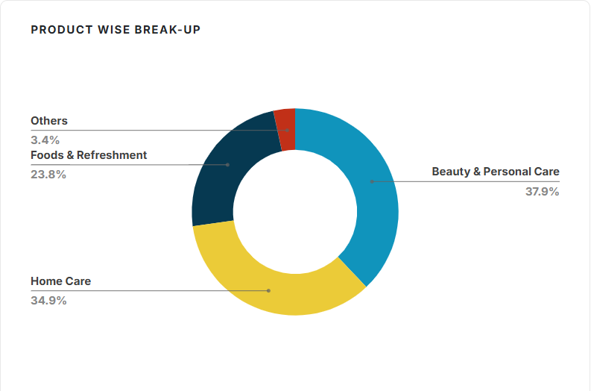
# |  |  | Revenue Growth
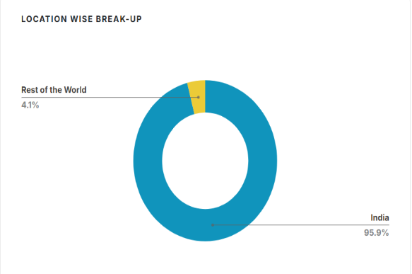
 |  | # | Company Historical Growth
 |  |  |  |  |  |  |  |  |  |  |  | CAGR
 |  |  | Particulars | FY 2019 | FY 2020 | FY 2021 | FY 2022 | FY 2023 | FY 2024 | FY 2025 |  | 3 Years | 5 Years

 |  |  | Revenue from Operations (Net) | 39,310 | 39,783 | 47,028 | 52,446 | 60,580 | 61,896 | 63,121 |  | 6.4% | 9.7%
 |  |  | Sales Growth | 11% | 1% | 18% | 12% | 16% | 2% | 2%

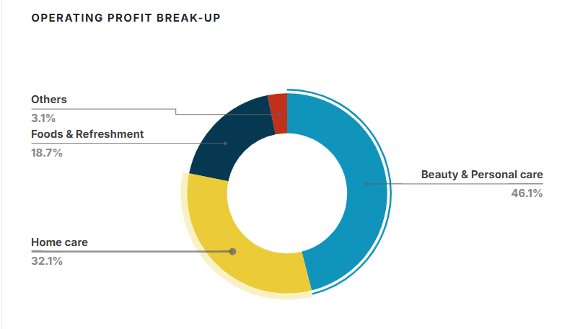

 | # |  | Market Research

 |  | # | Beauty & Personal Care

 |  |  | Statista | https://www.statista.com/outlook/cmo/beauty-personal-care/india?srsltid=AfmBOor06dOydgZypRHA7v9iUQLdqunxwMCtZrRF0v_vwnIV254NUChX
 |  |  | Revenue | US$34.40bn in 2026
 |  |  | CAGR | 3.35% (CAGR 2026-2030).
 |  |  |  | In India, the per person revenue generated in the Beauty & Personal Care market is approximately US$23.44 in 2026, based on the total population figures.
 |  |  |  | Consumers in India are increasingly gravitating towards beauty and personal care products that emphasize natural ingredients and sustainability, reflecting a broader cultural shift towards health-conscious living. This trend is particularly pronounced among younger demographics, who prioritize eco-friendly brands

 |  |  | Redseer | https://redseer.com/reports/indias-40bn-beauty-personal-care-market-growth-shifts-and-opportunities-for-2030/
 |  |  |  | By 2030, India will be the fourth-largest beauty and personal care (BPC) market globally, growing to $40 billion.
 |  |  |  | historically, the Indian BPC market struggled with unorganised supply chains, margin leakages, low profitability, and consumer perception barriers.
 |  |  |  | Currently, only around 20 brands – most of which are housed under FMCG giant umbrellas – exceed INR 1,500cr in revenue (FY26E).
 |  |  |  | Online marketplaces and quick commerce
 |  |  |  | Social media and influencer ecosystems
 |  |  |  | Gen Z and Alpha consumers

 |  |  | imarcgroup | https://www.imarcgroup.com/india-beauty-personal-care-market
 |  |  |  | The India beauty and personal care market size was valued at USD 31.19 Billion in 2025
 |  |  |  | projected to reach USD 48.72 Billion by 2034
 |  |  | CAGR | 5.08% from 2026-2034.

 |  |  |  | North India holds the largest market share of 29% in 2025
 |  |  |  | key players include Avon Products Inc. (Natura & Co Holding S.A.), Beiersdorf AG, Colgate-Palmolive Company, Coty Inc., Hindustan Unilever Limited, Kao Corporation, L'occitane India, L'Oréal S.A, Revlon Inc., The Estée Lauder Companies Inc., and The Procter & Gamble Company.
 |  |  |  | Premiumization and International Brand Expansion Accelerating Across Metropolitan Markets
 |  |  |  | Digital Commerce Revolution Reshaping Beauty Product Discovery and Purchase Behavior
 |  |  |  | Natural, Organic, and Ayurvedic Formulations Gaining Mainstream Consumer Acceptance
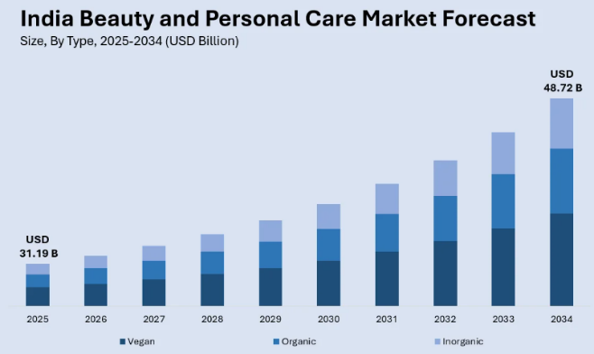
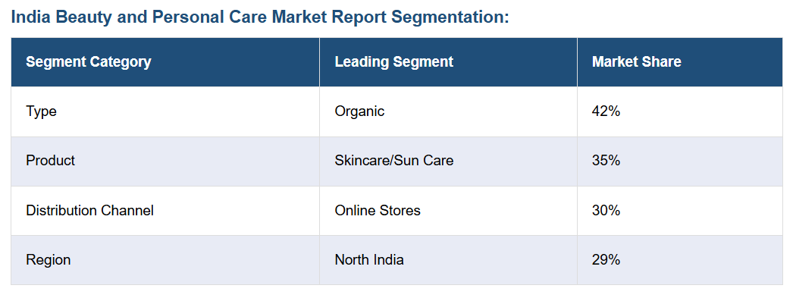

 |  |  | BDO | https://www.bdo.in/getmedia/867ab988-ddd3-4272-9441-011fe6b54cd4/The-Beauty-Revolution-in-the-Indian-Market_BDO-India.pdf

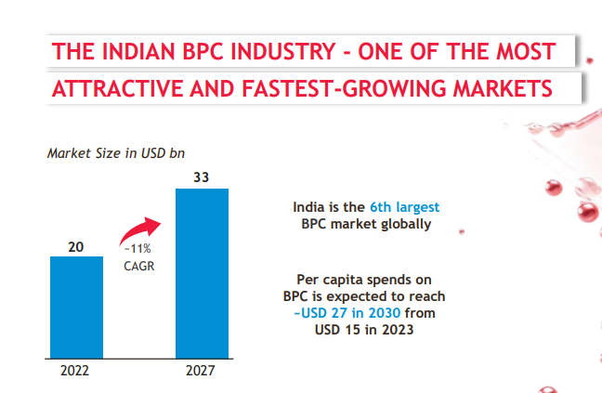

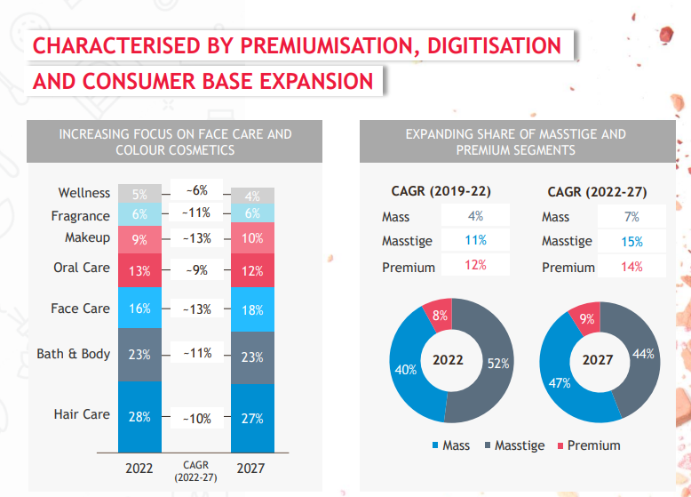
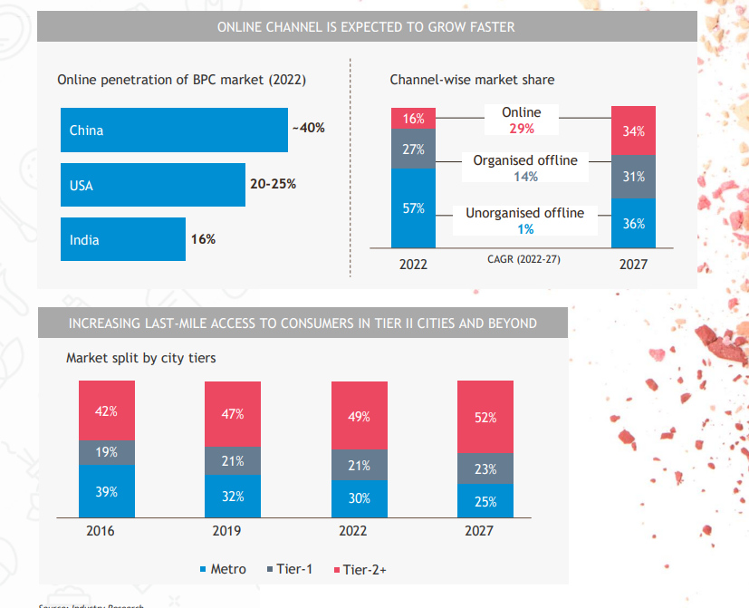
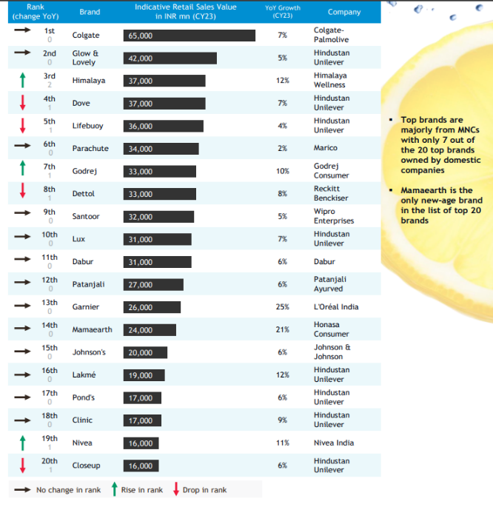

 |  |  | mfs | https://mfs.cii.in/assets/pdf/Beauty_and_Cosmetic_Products.pdf

 |  |  | Growth | 3% growth by 2032

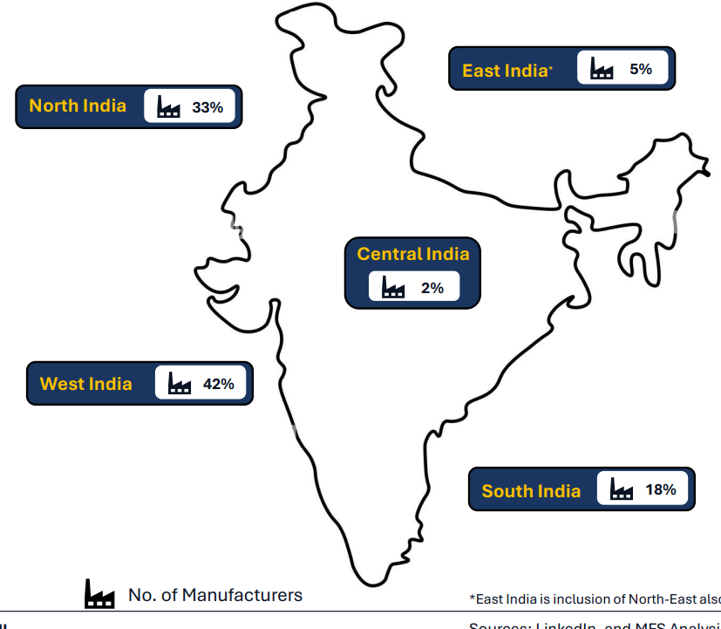

 |  |  | IBEF | https://www.ibef.org/news/india-you-e-beauty-the-blush-and-glow-of-the-new-billion-dollar-boom
 |  |  |  | The country has emerged as the world’s fastest-growing online market for beauty products, with beauty e-commerce and quick commerce sales rising 39% in value between June and November 2024 compared to the previous year, far outpacing the 3% growth in physical store sales, according to NielsenIQ
 |  |  |  | Platforms such as Amazon, Myntra, Blinkit, Zepto, Nykaa, and Reliance Retail’s Tira
 |  |  |  | India’s beauty and personal care market, valued at Rs. 2,43,236 crore (US$ 28 billion), is expected to reach Rs. 2,95,358 crore (US$ 34 billion) by 2028

 |  |  | Growth | 10-11% annually (2028)

 |  | # | Home Care

 |  |  | Research and Markets | https://www.researchandmarkets.com/report/india-household-cleaners-market?srsltid=AfmBOoqpUxjjcmjPXLpJvisub9WzfK5XaWcDYKjgVOkx5SPLXAN2AywZ#product--toc
 |  |  |  | The India household cleaners market size was valued at USD 10.35 billion in 2024. The market is projected to reach USD 36.31 billion by 2033
 |  |  | CAGR | 14.96% during 2025-2033.
 |  |  |  | The latest data released by the Indian Ministry of Statistics and Programme Implementation showed that the average Monthly Per Capita Consumption Expenditure (MPCE) in rural areas reached INR 3,773 in 2022-2032.
 |  |  |  | Based on distribution channels, the market is segmented into supermarkets and hypermarkets, convenience stores, and online, among others. The online segment is projected to grow at a CAGR of 19.3%% during the forecast period of 2025-2034.
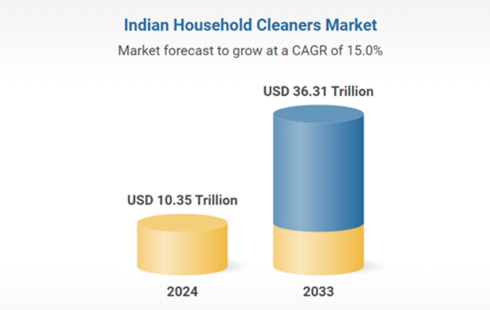

 |  |  | Expert market research | https://www.expertmarketresearch.com/reports/india-household-care-market
 |  |  |  | The India household care market reached approximately USD 10.00 Billion in 2025.
 |  |  | CAGR | 14.80% between 2026 and 2035 reaching a value of around USD 39.76 Billion by 2035.
 |  |  |  | The market has seen substantial growth, largely due to the proliferation of online platforms. India's e-commerce revenues are projected to increase from $46.2 billion in 2020 to $136.47 billion by 2026. The emergence of e-commerce has revolutionised the shopping experience for consumers of household care items, providing them with convenience, a wide range of choices, and easy access.
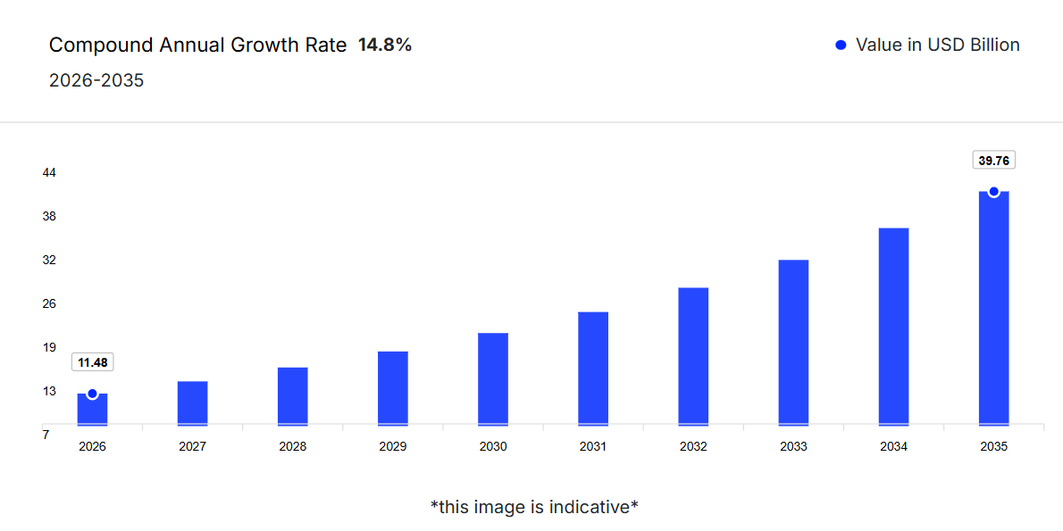

 |  |  | Kantar | https://www.kantar.com/inspiration/fmcg/personal-and-household-care-categories-lead-fmcg-in-india
 |  |  |  | personal and household care categories – growing 32% in 2019 and 40% in 2020. While personal care contributes to just 5.7% of all FMCG spend, it has been the key contributor to a 15% growth in FMCG spending over the last two years.
 |  |  |  | FMCG growth varies from -4% to +14%

 |  |  | Grand View Research | https://www.grandviewresearch.com/horizon/outlook/home-and-laundry-care-market/india
 |  |  |  | The home and laundry care market in India is expected to reach a projected revenue of US$ 24,928.3 million by 2030
 |  |  | CAGR | 8.8% is expected of India home and laundry care market from 2022 to 2030.

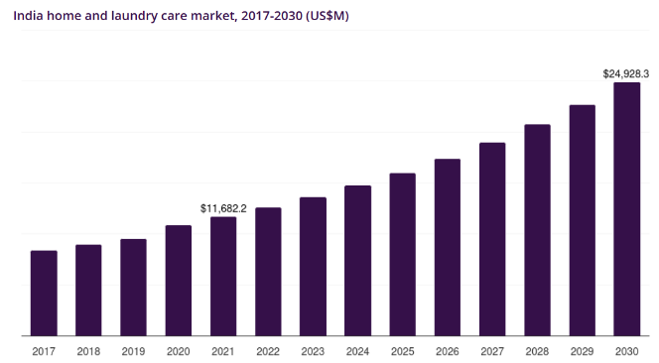

 |  |  | Live Mint | https://www.livemint.com/companies/young-consumers-ecofriendly-homecare-personal-care-fmcg-startups-detergents-11730778011455.html
 |  |  |  | An increasing number of millennials and Gen Z consumers is turning to new-age environmentally friendly home and personal care products like detergents, handwashes and floor cleaner
 |  |  |  | Beco, Koparo, Bare Necessities, Born Good, Happi Planet and other startups that offer plant-based and toxin-free goods are rapidly expanding product lines and investing increasingly in understanding the psychology of the emerging set of users
 |  |  |  | India’s homecare products market grew almost 27% from 2015 to 2023 across urban and rural regions, fuelled by the government’s Swachh Bharat Mission—Clean India Mission—initiative, according to research agency Kantar
 |  |  |  | According to Kantar, mass-market products like detergent bars and washing powders did not grow much in the year ended March 2024, an effect of a slowdown in consumption in the country. However, premium products like fabric conditioners and dishwashing liquids grew in double digits, driven by increased demand from richer households.

 |  |  | Global Data | https://www.globaldata.com/store/report/india-household-products-market-analysis/
 |  |  |  | The Indian household products sector is expected to grow from INR710.9 billion ($8.5 billion) in 2024 to INR981.6 billion ($11.4 billion) in 2029
 |  |  | CAGR | 6.7% till 2029

 | # |  | F&R

 |  |  | BDO | https://www.bdo.in/getmedia/9159e0b0-4438-4da7-ba1b-16fcec8ceb1e/Packaging-India%E2%80%99s-Evolving-Food-Consumption_BDO-India-(1).pdf
 |  |  |  | India’s packaged convenience food industry as of FY22, boasts a size of ~INR 3,194bn and is poised for substantial growth, with approximately 11% CAGR.
 |  |  | CAGR | 11% from 2022-2026

 |  |  | IBEF | https://www.ibef.org/blogs/the-future-of-food-processing-in-india-growth-opportunities-and-challenges
 |  |  |  | The food processing industry in India has witnessed rapid growth in the recent past, with the sector emerging as one of the most promising industries driving the economic growth of the country
 |  |  |  | expected to reach US$ 735.5 billion

 |  |  | CAGR | 8.8% during 2023-2032, according to IMARC
 |  |  |  | Opportunities:
 |  |  |  | Rising urbanisation and changing consumption patterns
 |  |  |  | Focus on health and organic products
 |  |  |  | Integration of Technology
 |  |  |  | Export potential and demand for Indian ethnic food |  |  |  | India's food exports are expected to reach US$ 61 billion by 2024, with ethnic foods, including spices and snacks, accounting for a significant portion of this growth (according to the Ministry of Commerce and Industry, Government of India). The global demand for Indian cuisine has been increasing, with exports of processed food products growing at a CAGR of 15% over the past five years. The government’s initiatives aim to boost food processing exports by US$ 10 billion by 2025
 |  |  |  | MSMEs and startups in rural areas

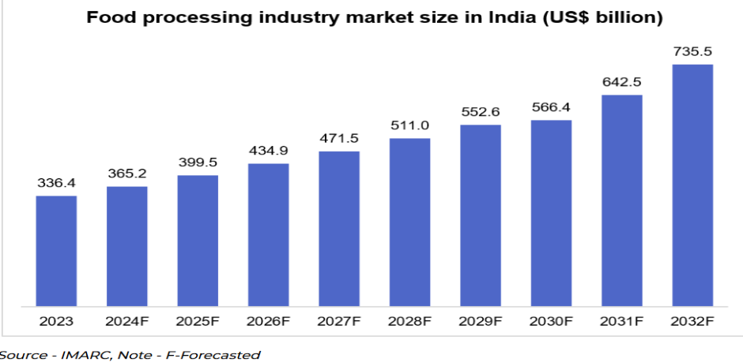

 |  |  | Industry Arc | https://www.industryarc.com/Research/india-packaged-food-market.html-1654685827#:~:text=India's%20Packaged%20Food%20Market%20size,for%20the%20period%202022%2D2027.
 |  |  |  | India's Packaged Food Market size is estimated to reach $3.4 billion by 2027
 |  |  | CAGR | CAGR of 4.6% during the forecast period 2022-2027.

 |  |  | Research and Markets | https://www.researchandmarkets.com/report/india-pre-packed-food-market?srsltid=AfmBOoqyDa4POZC3vU0_T4cLQl4qwjTKGMUzPanGqqatd7UPLblN-K2Q
 |  |  |  | The India Packaged Food Market was valued at USD 116.85 Billion in 2025, and is expected to reach USD 175.61 Billion by 2031
 |  |  | CAGR | 7.03% for 2031

 |  |  |  | The India packaged food market has experienced significant growth due to factors like changing lifestyles, increasing disposable income, and urbanization
 |  |  |  | Rising health consciousness, convenience, and ready-to-eat options also contribute to the market's expansion.
 |  |  |  | he demand for organic and natural food products is on the rise.
 |  |  |  | Additionally, e-commerce platforms and modern retail formats are boosting accessibility, further driving market growth in India.
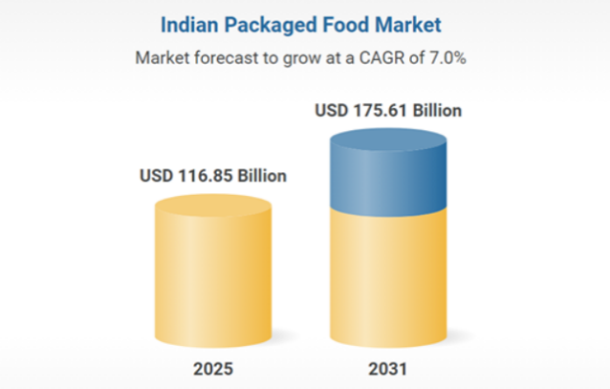

 |  |  | imarc | https://www.imarcgroup.com/india-packaged-food-market
 |  |  |  | The India packaged food market size reached USD 121.3 Billion in ​2024. The market is projected to reach USD 224.8 Billion by ​2033
 |  |  | CAGR | 6.50% during 2025-2033
 |  |  |  | The market growth is attributed to rapid urbanization, changing lifestyles, increasing disposable incomes, rising demand for convenience foods, evolving consumer preferences for ready-to-eat meals, expanding retail infrastructure, growth in online food delivery, improved cold chain logistics, government support for food processing, and a growing focus on health-conscious eating.
 |  |  |  | According to the India packaged food market forecast, one major opportunity lies in tier 2 and tier 3 cities, where demand for affordable, hygienically packaged, and easy-to-store food items is expanding rapidly. There is also a growing appetite for premium and specialty products such as gluten-free, organic, vegan, and protein-rich offerings, opening avenues for niche brands and innovation. With India's youth showing increased interest in global cuisines, international flavors in packaged formats are gaining traction.
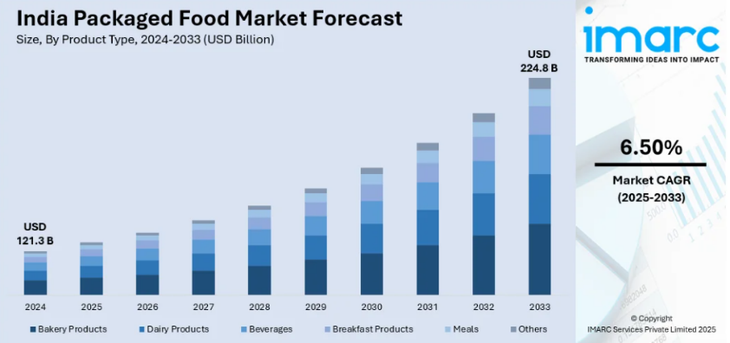

 |  |  | techsciresearch | https://www.techsciresearch.com/report/india-packaged-food-market/26991.html
 |  |  |  | Forecast Period | 2027-2031 | USD 116.85 Billion
 |  |  | CAGR | 7.03%
 |  |  |  |  |  |  |  |  |  |  |  | 6% | 6% | 6% | 6% |  |  |  |  |  | 6%

 |  | # | Company Concalls

 |  |  | Management Guidance

 |  |  | B&W | 11%
 |  |  | Personal Care | 6%
 |  |  | Home Care | 11%
 |  |  | Food & Refreshments | 6%
 |  |  | Others | 2%

 |  |  | Segments | 2018 | 2019 | 2020 | 2021 | 2022 | 2023 | 2024 | 2025
 |  |  | Home Care | 11,626 | 12,874 | 13,640 | 13,957 | 16,570 | 21,233 | 21,822 | 22,958
 |  |  | yoy% |  | 10.7% | 5.9% | 2.3% | 18.7% | 28.1% | 2.8% | 5.2%
 |  |  | Personal Care | 16,588 | 17,800 | 17,488 | 18,038 | 19,567 | 22,022 | 13,037 | 13,523
 |  |  | yoy% |  | 7.3% | -1.8% | 3.1% | 8.5% | 12.5% | -40.8% | 3.7%
 |  |  | Beauty & Wellbeing |  |  |  |  |  |  | 9,411 | 9,166
 |  |  | yoy% |  |  |  |  |  |  |  | -2.6%
 |  |  | Foods | 6,476 | 7,131 | 7,450 | 13,204 | 14,105 | 14,876 | 15,291 | 15,294
 |  |  | yoy% |  | 10.1% | 4.5% | 77.2% | 6.8% | 5.5% | 2.8% | 0.02%
 |  |  | Others | 1,533 | 1,505 | 1,205 | 1,829 | 2,204 | 2,459 | 2,275 | 2,180
 |  |  | yoy% |  | -1.8% | -19.9% | 51.8% | 20.5% | 11.6% | -7.5% | -4.2%

 |  | # | Consensus Estimate | https://trendlyne.com/equity/consensus-estimates/560/HINDUNILVR/hindustan-unilever-ltd/

 |  |  | Particulars | FY 2025 | FY 2026 | FY 2027

 |  |  | Revenue | 63,121 | 63,711 | 69,018

 |  |  | Revenue Growth |  | 0.9% | 8.3%

HUL is a comany involved in FMCG sector, It posted revenue of INR 63121crs. Revenue has grown at the CAGR of 6.4% and 9.7% during the last 3 years and 5 years respecticely. HUL has 5 Segments namely Home Care, Beauty & Wellbeing, Personal Care, Foods &Others. The management is positive on overall growth of HUL due to the factors such as INcreasing Disposable income, increasing premiumization in the economy and urbanization of the population. In an effort to reduce the effects of INput coomodity prices on its products a little more, the R&D of the company has dveeloped Stratos technology which has reduced the usage of Palm oil in its Soaps category. THe reason for management's bullish view for the organisation is due to reversal of damp rural consumption. COmpany aims to do strategic acquisitions & mergers to maintain the competitive position in the market plus to take benefit of synergies.
THe company has given guidance as follows:
Home Care
Personal Care
B&W
Foods
Others
The Analyst Consensus growth is 8.3%

# |  |  | Other Income

 |  |  | Particulars | FY 2020 | FY 2021 | FY 2022 | FY 2023 | FY 2024 | FY 2025 |  |  | Average | Median
 |  |  | Other Income | 632 | 410 | 258 | 512 | 811 | 1,017

 |  |  | Other Income % Revenue | 2% | 1% | 0% | 1% | 1% | 2% |  |  | 1% | 1% | Other Income Assumed Constant at 1017 throughout

# |  |  | Gross Margin

 |  | # | Historical
 |  |  | Particulars | FY 2019 | FY 2020 | FY 2021 | FY 2022 | FY 2023 | FY 2024 | FY 2025 |  | Average | Median
 |  |  | Gross Margins | 53.0% | 54.1% | 52.9% | 50.9% | 47.6% | 51.9% | 51.6% |  | 51.7% | 51.9%

 |  | # | Sector Data

 |  |  | Just India | 52.58%

 |  |  | Global | 51.66%

 |  |  | Source : Damodaran

 |  | # | Peer Analysis

 |  |  |  | FY 2019 | FY 2020 | FY 2021 | FY 2022 | FY 2023 | FY 2024 | FY 2025 |  | Average | Median
 |  |  | Dabur India Limited | 63.82% | 64.61% | 62.80% | 62.09% | 59.49% | 61.59% | 61.90% |  | 62.3% | 62.1%
 |  |  | Godrej Consumer Products Limited | 55.84% | 57.00% | 55.30% | 50.51% | 49.66% | 55.16% | 54.50% |  | 54.0% | 55.2%
 |  |  | Marico Limited | 52.22% | 56.09% | 52.75% | 48.74% | 51.45% | 56.45% | 55.30% |  | 53.3% | 52.8%
 |  |  | Tata Consumer Products Limited | 44.73% | 43.86% | 46.40% | 49.43% | 50.42% | 52.37% | 51.05% |  | 48.3% | 49.4%

 |  |  | Average | 54.15% | 55.39% | 54.31% | 52.69% | 52.76% | 56.39% | 55.69%
 |  |  | Median | 54.03% | 56.55% | 54.03% | 49.97% | 50.94% | 55.80% | 54.90%

 |  | # | Concalls

 |  |  | Gross Margin Guidance
 |  |  | Overall | 49-51%
 |  |  | Home Care | 17-19%
 |  |  | B&W | 25-30% | Decelerating trend | Management okay as long as the growth is more than growth of HUL Combined
 |  |  | Personal Care | 15-20%
 |  |  | Food | 15-20%

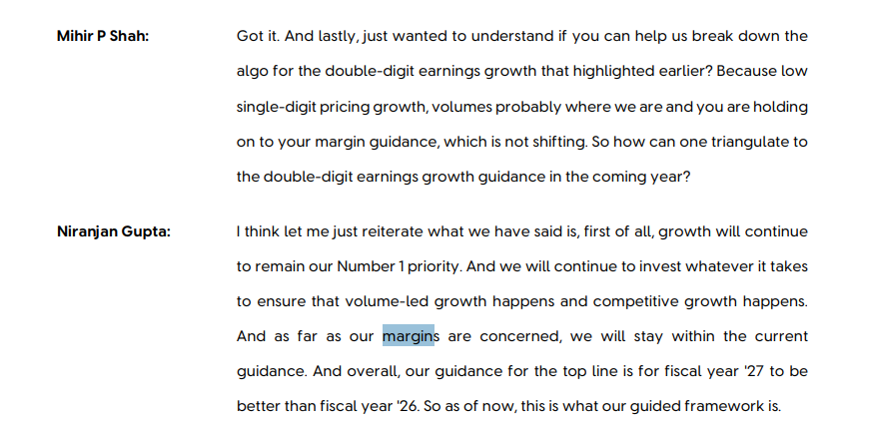
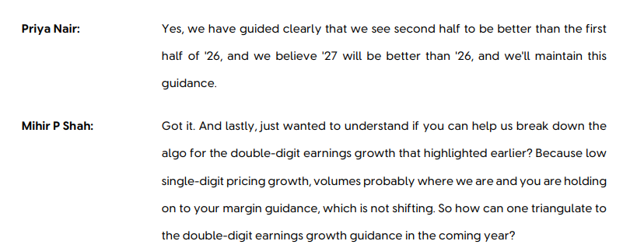
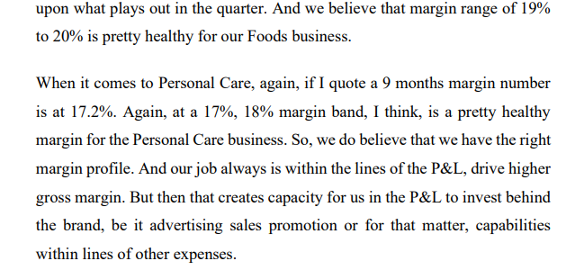

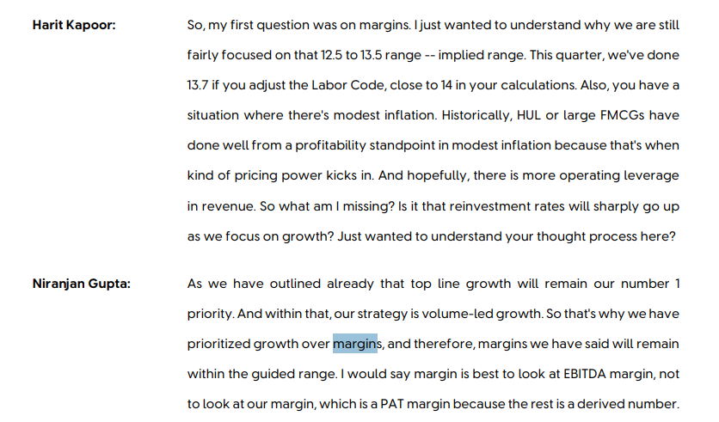

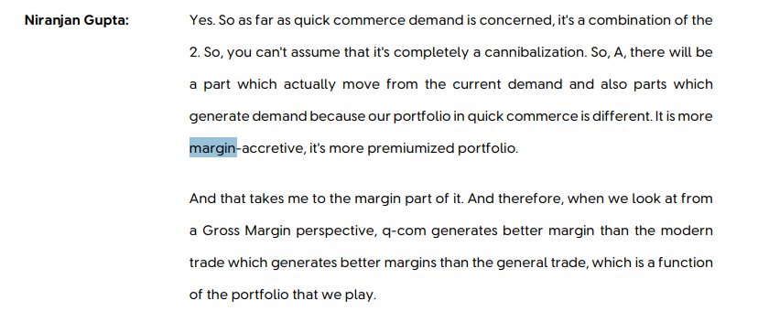
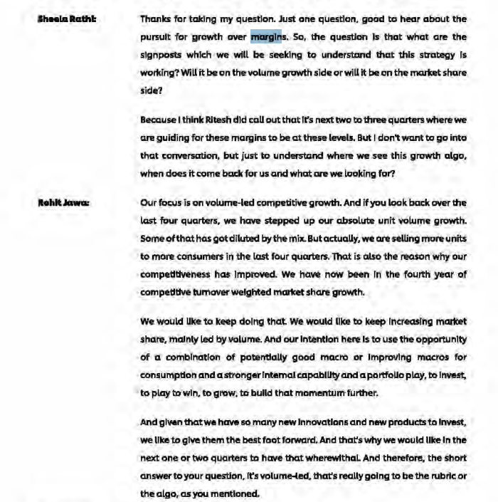

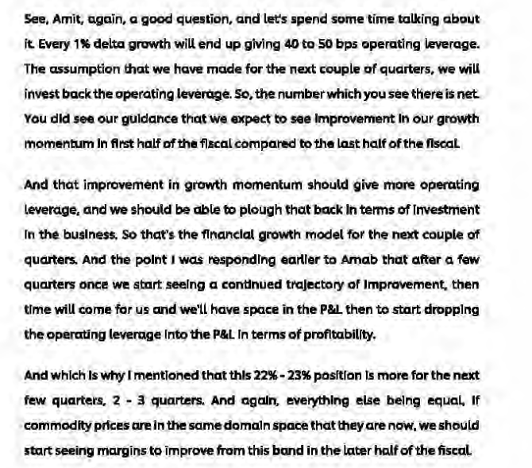
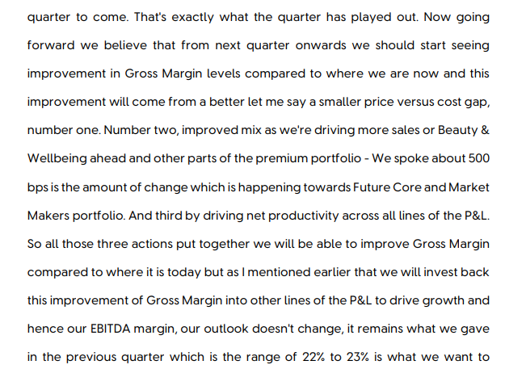

 | # |  | Crude Palm Oil

 |  | # | Technavio | https://www.technavio.com/report/palm-oil-market-industry-analysis

 |  |  | The palm oil market size is valued to increase by USD 23.67 billion, at a CAGR of 4.3% from 2025 to 2030. Versatility and cost-effectiveness driving food and beverage sector demand will drive the palm oil market.
 |  |  | Market Opportunities: USD 49.87 billion
 |  |  | Market Future Opportunities: USD 23.67 billion
 |  |  | CAGR from 2025 to 2030 : 4.3%
 |  |  | However, the industry grapples with challenges tied to deforestation and social issues, spurring a market-wide shift towards traceability and certification. For instance, a food manufacturer aiming to comply with new import regulations must now invest in a transparent supply chain.
 |  |  | This involves integrating technologies to verify the origin of its raw materials, ensuring they are sourced from plantations that adhere to strict no-deforestation policies and fair labor standards. This pivot from a commodity-based approach to a quality-and-compliance model is redefining operational strategies and competitive positioning for all stakeholders involved.
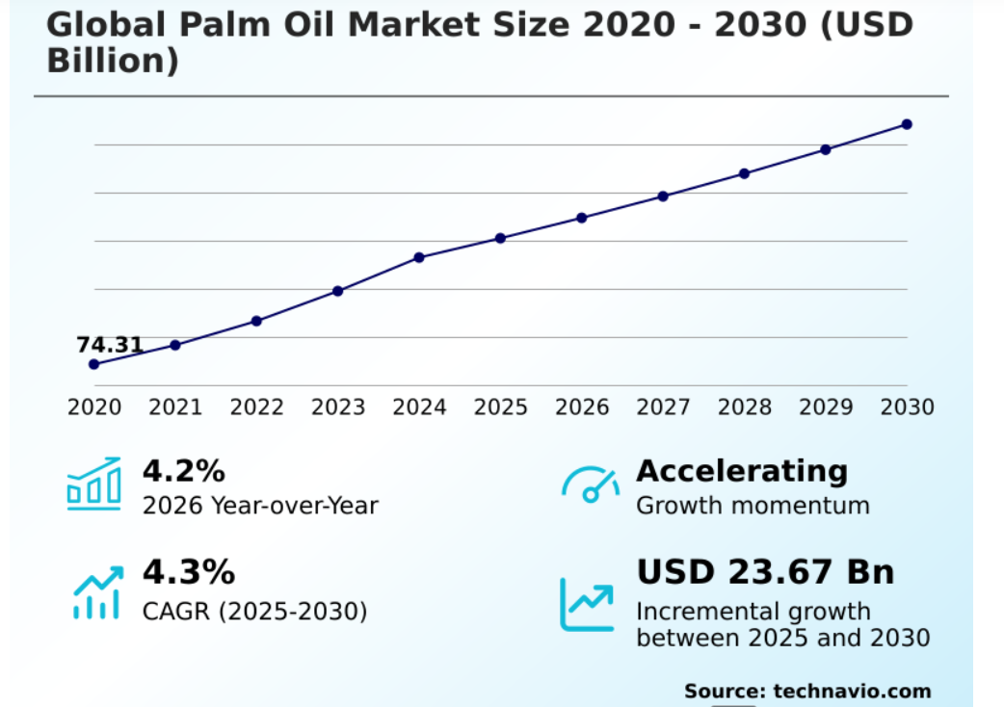
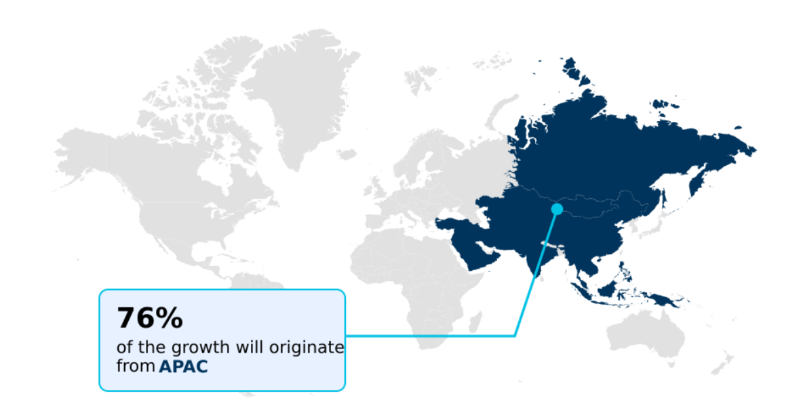

 |  | # | UN | https://www.undp.org/foodsystems/indonesia-sustainable-palm-oil#:~:text=Indonesia%20is%20the%20world's%20largest,employment%20to%203%20million%20people.
 |  |  | Indonesia is the world’s largest producer of palm oil —a staple agricultural commodity found in about half of all packaged products sold in supermarkets. The country produces more than 30 million tons of palm oil per year, generating 4.5% of its GDP and giving employment to 3 million people.
 |  |  | unsustainable palm oil production is also contributing to rapid tropical forest destruction and climate change.

 |  | # | WWF | https://www.wwf.org.uk/updates/8-things-know-about-palm-oil#:~:text=2.,in%20the%20UK%20though!).

 |  |  | Palm oil can be produced more sustainably and there is a role for companies, governments, and consumers to play.
 |  |  | RSPO was formed in 2004 in response to increasing concerns about the impacts palm oil was having on the environment and on society. The RSPO has production standards for growers that set best practices for producing and sourcing palm oil, and it has the buy-in of most of the global industry.

 |  |  | Palm oil is an incredibly efficient crop, producing more oil per land area than any other equivalent vegetable oil crop. Globally, palm oil supplies 40% of the world’s vegetable oil demand on just under 6% of the land used to produce all vegetable oils. To get the same amount of alternative oils like soybean, coconut, or sunflower oil you would need anything between 4 and 10 times more land, which would just shift the problem to other parts of the world and threaten other habitats, species and communities.
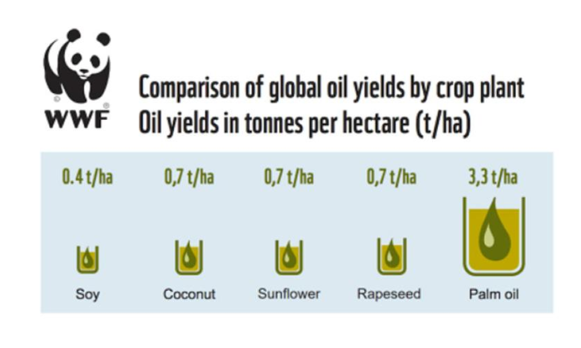

 |  | # | Icici Direct | https://www.icicidirect.com/research/equity/trending-news/palm-oil-prices-rise-negatively-impacting-fmcg-companies

 |  |  | News: As per media sources, Prices of edible oil is up by Rs.11-20/kg in March while Sunflower oil has witnessed steepest price rise of Rs.20/Kg. Palm oil prices have risen the least by Rs.11/kg.
 |  |  | Palm oil is one of the key raw materials for snacking and FMCG companies
 |  |  | for HUL, palm oil forms 15-20% of its raw material.
 |  |  | Overall, rise in palm oil prices is negative for these companies. If the situation over West Asia persists and oil prices remain high, it could impact the gross margins of snacking and FMCG companies over the upcoming quarters. Any significant rise in raw material costs can also lead to companies taking price hikes which could further impact volumes ahead.

 |  | # | Musim Mas | https://www.musimmas.com/resources/blogs/how-is-palm-oil-transported-from-plantation-to-supermarket-shelf/

 |  |  | Extracted from the fruitlets of oil palm trees, palm oil embarks on a complex journey, from plantations to mills, then to refineries, and finally to end-product manufacturers worldwide.

 | # |  | Tea

 |  | # | Technavio | https://www.technavio.com/report/tea-market-industry-analysis#:~:text=Market%20Overview%20at%20a%20Glance,Future%20Opportunities:%20USD%2020.71%20billion

 |  |  | The tea market size is valued to increase by USD 20.71 billion, at a CAGR of 5.5% from 2025 to 2030. Rising health and wellness awareness boosting tea consumption will drive the tea market.
 |  |  | By Product - Black tea segment accounted for the largest market revenue share in 2024
 |  |  | The tea market is undergoing a significant transformation, driven by evolving consumer preferences toward health and wellness. Demand is shifting from traditional preparations to functional beverages that offer tangible benefits, including high antioxidant properties derived from their rich catechin content and polyphenol compounds
 |  |  | Moreover, the industry is navigating challenges like the need for climate-resilient tea varieties while capitalizing on opportunities in the ready to drink tea formulation and direct-to-consumer tea sales channels. The rise of the wellness tea market and clean label tea products underscores a broader movement toward mindful consumption and transparency in the global beverage industry.
 |  |  | The future of the global tea market is being shaped by several interconnected long-tail trends. The growth of ready to drink tea is making the beverage more accessible, appealing to consumers seeking convenience without sacrificing quality.
 |  |  | Simultaneously, a rising demand for specialty tea reflects a consumer shift to healthy beverages, where the unique health benefits of green tea are a major draw. This has pushed marketing strategies for tea brands to focus on storytelling around origin and artisanal tea blending techniques.
 |  |  | Sustainability in tea production is no longer a niche concern; it is a core expectation, influencing everything from farming practices to innovation in tea packaging. The premiumization of tea products continues, with consumers willing to pay more for fair trade certified tea benefits and superior quality.

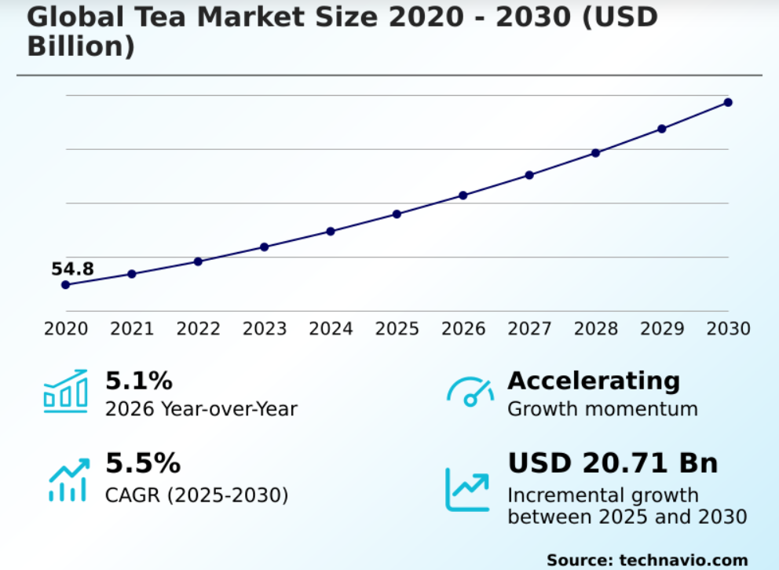

 |  | # | Street Estimate

 |  |  | Particulars | 2025 | 2026 | 2027 | 2028
 |  |  | ICICI Direct | 51.6% | 51.0% | 51.5% | 51.3%
 |  |  | Motilal Ostwal | 51.6% | 51.1% | 51.3% | 51.5%
 |  |  | Anand Rathi | 51.6% | 51.8% | 52.2% | 52.4%
 |  |  | Deven Choksey | 51.6% | 50.6% | 51.3% | 51.4%

 |  |  | Average | 51.6% | 51.1% | 51.6% | 51.7%
 |  |  | Median | 51.6% | 51.1% | 51.4% | 51.5%
During the CY25, The margin declined by 30 bps to 51.6% because of inflationary Palm oil prices and Coffee prices. Despite INflationary pressures in raw material cost, gross margins wer minimally impacted as a result of maximum increased input cost benefits passed on to the consumers and due to company's more reliance on stratos which uses polyglycerides instead of palm oil in few of their products which reduces their reliance on palm oil a little more as explained by the management.
The raw material constitues ~65-70% of total COGS and ~35% of Revenue. The cost of Raw material is mainly comprised of Crude Palm Oil but other material includes (Sada ASh, Crude oil derivatives, Skimmed Milk POwder, Tea, COffee, Sugar , Plastic etc.) of which mainly palm oil, coffee and tea prices have faced inflationary pressure in CY25.
THe Palm Oil info
The company is focusing its energy on fewer highgbrowing bets, hence it has sold its stake in Wellbeing NUtrition, Demerged low margin Ice-cream business and acquired Oziva and Minimalist to make a move in that direction.
The company's focus is to lead volume based growth.
While historically company has posted gross margin of ~50-52% with median of 51.9% in the last 6 years. Based on our research, the GM of HOusehold products sector in india is 52.58% and global household products sector is 51.66%.
The reduction is margin is mainly due to inflationary pressures, we assume that margin stay consistent with marginal movement to ~ 51% which is also in line with street estimate ~51.1 when with volume growth operating leverage kicks in with commodity inflation stays at the bay. IN the long term however we assume that GM will converge with the global sector margin of ~51.66%.

# |  |  | SG&A Expenses

 |  |  |  |  |  |  |  |  |  |  |  | CAGR
 |  | # | Particulars | FY 2019 | FY 2020 | FY 2021 | FY 2022 | FY 2023 | FY 2024 | FY 2025 |  | 3 Years | 5 Years

 |  |  | Revenue from Operations (Net) | 39,310 | 39,783 | 47,028 | 52,446 | 60,580 | 61,896 | 63,121 |  | 6.4% | 9.7%
 |  |  | Growth Y-o-Y | 0% | 1.2% | 18.2% | 11.5% | 15.5% | 2.2% | 2.0%

 |  |  | SG&A | 11,956 | 11,663 | 13,254 | 13,854 | 14,715 | 17,473 | 17,692 |  | 8.5% | 8.7%
 |  |  | Growth Y-o-Y | 0% | -2.5% | 13.6% | 4.5% | 6.2% | 18.7% | 1.3%
 |  |  |  |  |  |  |  |  |  |  |  | Average | Median
 |  |  | SG&A % Revenue | 30% | 29% | 28% | 26% | 24% | 28% | 28% |  | 28% | 28%

 |  |  | SG&A:
 |  |  | Employee Benefit Expenses |  | 1,820 | 2,358 | 2,545 | 2,854 | 3,009 | 3,007
 |  |  | Employee Benefit Expenses% Sales |  | 4.6% | 5.0% | 4.9% | 4.7% | 4.9% | 4.8% |  | 4.8% | 4.8%
 |  |  | Other Expenses |  | 9,843 | 10,896 | 11,309 | 11,861 | 14,464 | 14,615
 |  |  | Other Expenses% Sales |  | 24.7% | 23.2% | 21.6% | 19.6% | 23.4% | 23.2% |  | 22.6% | 23.2%
 |  |  | This data is considered for calc. not below working as it was inconsistent means the data taken out of goindiastocks had inconsistencies hence took this directly

 |  | # | SG&A Detailed Sheet

 |  | # | SG&A | Mar-16 | Mar-17 | Mar-18 | Mar-19 | Mar-20 | Mar-21 | Mar-22 | Mar-23 | Mar-24 | Mar-25
 |  |  | Revenue | 32,186 | 33,162 | 35,545 | 39,310 | 39,783 | 47,028 | 52,446 | 60,580 | 61,896 | 63,121

 |  |  | Employee Cost | 1,680 | 1,743 | 1,860 | 1,875 | 1,820 | 2,358 | 2,545 | 2,854 | 3,009 | 3,077
 |  |  | Salaries, Wages & Bonus | 1,340 | 1,439 | 1,526 | 1,558 | 1,547 | 1,943 | 2,016 | 2,308 | 2,474 | 2,550
 |  |  | Contributions to EPF & Pension Funds | 81 | 86 | 94 | 110 | 122 | 162 | 169 | 161 | 174 | 199
 |  |  | Workmen and Staff Welfare Expenses | 113 | 106 | 96 | 86 | 74 | 158 | 168 | 186 | 153 | 176
 |  |  | Other Employees Cost | 146 | 112 | 144 | 121 | 77 | 95 | 192 | 199 | 208 | 152

 |  |  | Selling and Distribution Cost | 5,178 | 5,058 | 5,700 | 6,206 | 6,220 | 6,497 | 6,618 | 6,879 | 8,297 | 7,986
 |  |  | Advertisement & Sales Promotion | 3,656 | 3,542 | 4,153 | 4,607 | 4,713 | 4,754 | 4,744 | 4,907 | 6,380 | 6,028
 |  |  | Freight and Forwarding | 1,522 | 1,516 | 1,547 | 1,599 | 1,507 | 1,743 | 1,874 | 1,972 | 1,917 | 1,958

 |  |  | Other Expenses | 3,842 | 4,126 | 4,198 | 4,253 | 3,910 | 3,859 | 4,371 | 5,083 | 5,563 | 6,046
 |  |  | Processing charges | 236 | 193 | 309 | 281 | 299 | 293 | 259 | 204 | 209 | 203
 |  |  | Repairs and Maintenance | 130 | 131 | 120 | 143 | 156 | 163 | 209 | 223 | 227 | 244
 |  |  | Electricity & Power | 309 | 295 | 295 | 308 | 110 | 339 | 318 | 384 | 446 | 427
 |  |  | Rent , Rates & Taxes | 382 | 383 | 381 | 351 | 119 | 104 | 82 | 79 | 81 | 53
 |  |  | Professional and legal fees | 0 | 378 | 358 | 383 | 387 | 450 | 500 | 575 | 784 | 849
 |  |  | Travelling and conveyance | 181 | 179 | 162 | 166 | 165 | 93 | 112 | 249 | 282 | 238
 |  |  | Other Administration | 4 | 4 | 4 | 4 | 4 | 5 | 5 | 5 | 585 | 645
 |  |  | Packing Material Consumed | 2,600 | 2,563 | 2,569 | 2,617 | 2,670 | 2,412 | 2,886 | 3,364 | 2,949 | 3,387
 |  |  | Total SG&A | 10,700 | 10,927 | 11,758 | 12,334 | 11,950 | 12,714 | 13,534 | 14,816 | 16,869 | 17,109

 |  |  | SG&A % Revenue | 33% | 33% | 33% | 31% | 30% | 27% | 26% | 24% | 27% | 27%

 |  |  | Source: Goindiastocks

 |  | # | Commonsize | Mar-16 | Mar-17 | Mar-18 | Mar-19 | Mar-20 | Mar-21 | Mar-22 | Mar-23 | Mar-24 | Mar-25 |  | Average |  |  |  |  |  | Median

 |  |  | Employee Cost | 16% | 16% | 16% | 15% | 15% | 19% | 19% | 19% | 18% | 18% |  | 17% |  |  |  |  |  | 17%
 |  |  | Salaries, Wages & Bonus | 13% | 13% | 13% | 13% | 13% | 15% | 15% | 16% | 15% | 15% |  | 14% |  |  |  |  |  | 14%
 |  |  | Contributions to EPF & Pension Funds | 1% | 1% | 1% | 1% | 1% | 1% | 1% | 1% | 1% | 1% |  | 1% |  |  |  |  |  | 1%
 |  |  | Workmen and Staff Welfare Expenses | 1% | 1% | 1% | 1% | 1% | 1% | 1% | 1% | 1% | 1% |  | 1% |  |  |  |  |  | 1%
 |  |  | Other Employees Cost | 1% | 1% | 1% | 1% | 1% | 1% | 1% | 1% | 1% | 1% |  | 1% |  |  |  |  |  | 1%

 |  |  | Selling and Distribution Cost | 48% | 46% | 48% | 50% | 52% | 51% | 49% | 46% | 49% | 47% |  | 49% |  |  |  |  |  | 49%
 |  |  | Advertisement & Sales Promotion | 34% | 32% | 35% | 37% | 39% | 37% | 35% | 33% | 38% | 35% |  | 36% |  |  |  |  |  | 35%
 |  |  | Freight and Forwarding | 14% | 14% | 13% | 13% | 13% | 14% | 14% | 13% | 11% | 11% |  | 13% |  |  |  |  |  | 13%

 |  |  | Other Expenses | 36% | 38% | 36% | 34% | 33% | 30% | 32% | 34% | 33% | 35% |  | 34% |  |  |  |  |  | 34%
 |  |  | Processing charges | 2% | 2% | 3% | 2% | 3% | 2% | 2% | 1% | 1% | 1% |  | 2% |  |  |  |  |  | 2%
 |  |  | Repairs and Maintenance | 1% | 1% | 1% | 1% | 1% | 1% | 2% | 2% | 1% | 1% |  | 1% |  |  |  |  |  | 1%
 |  |  | Electricity & Power | 3% | 3% | 3% | 2% | 1% | 3% | 2% | 3% | 3% | 2% |  | 2% |  |  |  |  |  | 3%
 |  |  | Rent , Rates & Taxes | 4% | 4% | 3% | 3% | 1% | 1% | 1% | 1% | 0% | 0% |  | 2% |  |  |  |  |  | 1%
 |  |  | Professional and legal fees | 0% | 3% | 3% | 3% | 3% | 4% | 4% | 4% | 5% | 5% |  | 3% |  |  |  |  |  | 3%
 |  |  | Travelling and conveyance | 2% | 2% | 1% | 1% | 1% | 1% | 1% | 2% | 2% | 1% |  | 1% |  |  |  |  |  | 1%
 |  |  | Other Administration | 0% | 0% | 0% | 0% | 0% | 0% | 0% | 0% | 3% | 4% |  | 1% |  |  |  |  |  | 0%
 |  |  | Packing Material Consumed | 24% | 23% | 22% | 21% | 22% | 19% | 21% | 23% | 17% | 20% |  | 21% |  |  |  |  |  | 22%
 |  |  | Total SG&A | 100% | 100% | 100% | 100% | 100% | 100% | 100% | 100% | 100% | 100% |  | 100% |  |  |  |  |  | 100%

 |  | # | SG&A Estimates

 |  |  | SG&A | Mar-16 | Mar-17 | Mar-18 | Mar-19 | Mar-20 | Mar-21 | Mar-22 | Mar-23 | Mar-24 | Mar-25 |  | Average |  |  |  |  |  | Median

 |  |  | Employee Cost | 1,680 | 1,743 | 1,860 | 1,875 | 1,820 | 2,358 | 2,545 | 2,854 | 3,009 | 3,077 |  | 2,282 |  |  |  |  |  | 2,117
 |  |  | Employee Cost % Sales | 5.2% | 5.3% | 5.2% | 4.8% | 4.6% | 5.0% | 4.9% | 4.7% | 4.9% | 4.9% |  | 4.9% |  |  |  |  |  | 4.9%

 |  |  | Selling & Distribution Cost | 5,178 | 5,058 | 5,700 | 6,206 | 6,220 | 6,497 | 6,618 | 6,879 | 8,297 | 7,986 |  | 6,464 |  |  |  |  |  | 6,359
 |  |  | Selling & Distribution Cost % Sales | 16.1% | 15.3% | 16.0% | 15.8% | 15.6% | 13.8% | 12.6% | 11.4% | 13.4% | 12.7% |  | 14.3% |  |  |  |  |  | 14.5%

 |  |  | Other Expenses | 3,842 | 4,126 | 4,198 | 4,253 | 3,910 | 3,859 | 4,371 | 5,083 | 5,563 | 6,046 |  | 4,525 |  |  |  |  |  | 4,226
 |  |  | Other Expenses % Sales | 11.9% | 12.4% | 11.8% | 10.8% | 9.8% | 8.2% | 8.3% | 8.4% | 9.0% | 9.6% |  | 10.0% |  |  |  |  |  | 9.7%

During CY2025, The company has reported EBITDA Margin of 23.5% which is 20 bps lower than CY2024, which is just marginal. The reason for that is Inflationary pressure of raw material prices especially crude palm oil.
Basis our research we have found that historically SG&A expenses are 28% of revenue. OUt of which 2 main expenses Employee benefit and other expenses historically remain at ~4.8% and 23.2% respectively.
We assumed total sg&a to hover around same levels in the coming 5 years which also aligns with the street estimate and management guidance.

# |  |  | Current Assets

 |  | # | Particulars | FY 2016 | FY 2017 | FY 2018 | FY 2019 | FY 2020 | FY 2021 | FY 2022 | FY 2023 | FY 2024 | FY 2025 |  | 3 Years |  |  |  |  |  | 5 Years | 7 Years

 |  |  | Inventories | 2,726 | 2,541 | 2,513 | 2,574 | 2,767 | 3,579 | 4,096 | 4,251 | 4,022 | 4,415 |  | 2.5% |  |  |  |  |  | 9.8% | 8.4%
 |  |  | Investments | 2,560 | 3,788 | 2,871 | 2,714 | 1,253 | 2,707 | 3,519 | 2,811 | 4,558 | 3,751 |  | 2.2% |  |  |  |  |  | 24.5% | 3.9%
 |  |  | Trade Receivables | 1,264 | 1,085 | 1,310 | 1,816 | 1,149 | 1,758 | 2,236 | 3,079 | 2,997 | 3,819 |  | 19.5% |  |  |  |  |  | 27.2% | 16.5%
 |  |  | Cash and Cash Equivalents | 3,009 | 1,828 | 3,485 | 3,757 | 5,113 | 4,471 | 3,846 | 4,678 | 7,559 | 7,554 |  | 25.2% |  |  |  |  |  | 8.1% | 11.7%
 |  |  | Loans &Advances | 541 | 590 | 651 | 470 | 1,219 | 647 | 910 | 844 | 821 | 1,046 |  | 4.8% |  |  |  |  |  | -3.0% | 7.0%
 |  |  | Other Current Assets | 223 | 293 | 814 | 579 | 802 | 1,038 | 902 | 1,323 | 1,355 | 1,443 |  | 17.0% |  |  |  |  |  | 12.5% | 8.5%

 |  |  | Current Assets | 10,323 | 10,125 | 11,644 | 11,910 | 12,303 | 14,200 | 15,509 | 16,986 | 21,312 | 22,028 |  | 12.4% |  |  |  |  |  | 12.4% | 9.5%

 |  |  | Total Assets | 14,626 | 15,536 | 17,560 | 18,256 | 19,869 | 68,740 | 70,506 | 73,077 | 78,489 | 79,863

 |  |  | Current Assets % Total Current Assets | 71% | 65% | 66% | 65% | 62% | 21% | 22% | 23% | 27% | 28%

 |  | # | Commonsize | FY 2016 | FY 2017 | FY 2018 | FY 2019 | FY 2020 | FY 2021 | FY 2022 | FY 2023 | FY 2024 | FY 2025 |  | Average |  |  |  |  |  | Median

 |  |  | Inventories | 26% | 25% | 22% | 22% | 22% | 25% | 26% | 25% | 19% | 20% |  | 23% |  |  |  |  |  | 24%
 |  |  | Investments | 25% | 37% | 25% | 23% | 10% | 19% | 23% | 17% | 21% | 17% |  | 22% |  |  |  |  |  | 22%
 |  |  | Trade Receivables | 12% | 11% | 11% | 15% | 9% | 12% | 14% | 18% | 14% | 17% |  | 14% |  |  |  |  |  | 13%
 |  |  | Cash and Cash Equivalents | 29% | 18% | 30% | 32% | 42% | 31% | 25% | 28% | 35% | 34% |  | 30% |  |  |  |  |  | 31%
 |  |  | Loans &Advances | 5% | 6% | 6% | 4% | 10% | 5% | 6% | 5% | 4% | 5% |  | 5% |  |  |  |  |  | 5%
 |  |  | Other Current Assets | 2% | 3% | 7% | 5% | 7% | 7% | 6% | 8% | 6% | 7% |  | 6% |  |  |  |  |  | 6%

 |  |  | Total Current Assets | 100% | 100% | 100% | 100% | 100% | 100% | 100% | 100% | 100% | 100%

 | # |  | Inventories
Revenue-Inventory Analysis
 | Revenue Yoy% Growth | Inventory Yoy% Growth
 | 3.0% | -6.8%
 | 7.2% | -1.1%
 | 10.6% | 2.4%
 | 1.2% | 7.5%
 | 18.2% | 29.3%
 | 11.5% | 14.4%
 | 15.5% | 3.8%
 | 2.2% | -5.4%
 | 2.0% | 9.8%
 |  |  | Particulars | FY 2016 | FY 2017 | FY 2018 | FY 2019 | FY 2020 | FY 2021 | FY 2022 | FY 2023 | FY 2024 | FY 2025
 |  |  | Revenue | 32,186 | 33,162 | 35,545 | 39,310 | 39,783 | 47,028 | 52,446 | 60,580 | 61,896 | 63,121
 |  |  | Revenue Yoy% Growth |  | 3.0% | 7.2% | 10.6% | 1.2% | 18.2% | 11.5% | 15.5% | 2.2% | 2.0%

 |  |  | Inventories | 2,726 | 2,541 | 2,513 | 2,574 | 2,767 | 3,579 | 4,096 | 4,251 | 4,022 | 4,415
 |  |  | Inventory Yoy% Growth |  | -6.8% | -1.1% | 2.4% | 7.5% | 29.3% | 14.4% | 3.8% | -5.4% | 9.8%

 |  |  | Average Inventory | 2,788 | 2,634 | 2,527 | 2,544 | 2,671 | 3,173 | 3,838 | 4,174 | 4,137 | 4,219

 |  |  | Average Inventory % Revenue | 9% | 8% | 7% | 6% | 7% | 7% | 7% | 7% | 7% | 7%

 |  |  | COGS | 13,267 | 13,750 | 14,161 | 15,857 | 15,589 | 19,736 | 22,849 | 28,352 | 26,811 | 27,191

 |  |  | Inventory Turnover Ratio(Revenue) | 11.5x | 12.6x | 14.1x | 15.5x | 14.9x | 14.8x | 13.7x | 14.5x | 15.0x | 15.0x
 |  |  | Inventory Turnover Ratio(COGS) | 4.9x | 5.4x | 5.6x | 6.2x | 5.6x | 5.5x | 5.6x | 6.7x | 6.7x | 6.2x

 |  |  | Inventory Days (Revenue) | 32 | 29 | 26 | 24 | 25 | 25 | 27 | 25 | 24 | 24
 |  |  | Inventory Days (COGS) | 75 | 67 | 65 | 59 | 65 | 66 | 65 | 55 | 55 | 59 |  | 63 |  |  |  |  |  | 65

 |  | # | Peers Invetory Days Analysis (COGS) | FY 2016 | FY 2017 | FY 2018 | FY 2019 | FY 2020 | FY 2021 | FY 2022 | FY 2023 | FY 2024 | FY 2025

 |  |  | HUL | 75 | 67 | 65 | 59 | 65 | 66 | 65 | 55 | 55 | 59
 |  |  | ITC | 244 | 185 | 173 | 165 | 187 | 189 | 150 | 148 | 191 | 178
 |  |  | Marico | 110 | 193 | 190 | 147 | 157 | 108 | 106 | 94 | 116 | 93
 |  |  | Britannia Industries Ltd | 32 | 43 | 39 | 43 | 39 | 52 | 57 | 45 | 45 | 43

 |  |  | Average | 115 | 122 | 117 | 104 | 112 | 104 | 95 | 85 | 102 | 93
 |  |  | Median | 92 | 126 | 119 | 103 | 111 | 87 | 86 | 74 | 85 | 76

 |  | # | Street Estimate (Revenue) | FY 2024 | FY 2025 | FY 2026 | FY 2027 | FY 2028
 |  |  | icici direct | 24 | 26 | 23 | 23 | 23
 |  |  | Bobcaps | 24 | 24 | 24 | 24 | 24 |  | Street Estimate is considered almost flat from current levels
 |  |  | Axis Direct | 25 | 24 | 24 | 24 | 24

 |  |  | Average | 24 | 25 | 24 | 24 | 24
 |  |  | Median | 24 | 24 | 24 | 24 | 24

 |  | # | Concalls

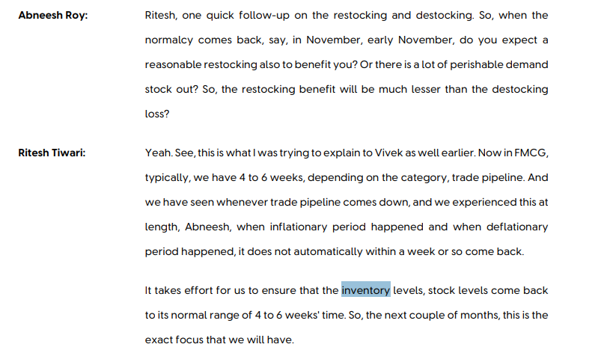

The company is moving towards its goal of having all season portfolio, so that the demand is not affected due to seasonal volatility for example bad monsoons etc. The company get an edge in gross profitability because of its effective inventory distrubtion system under their Wimi 2.0 policy .
However, the company is maintaining inventory levels ~7% of Revenue. WIth Inventory Turnover ratio being consistent around 13%-15% range and inventroy days of 24 Days. As compared to the peer company ITC, HUL converts its inventory 3x faster. We expect the inventory levels to stay at 60 Days for the coming years.

 | # |  | Trade Receivables

Revenue-Receivables
 | Revenue Yoy% Growth | Trade Receivables Yoy% Growth
 | 3.0% | -14.2%
 | 7.2% | 20.7%
 | 10.6% | 38.6%
 | 1.2% | -36.7%
 | 18.2% | 53.0%
 | 11.5% | 27.2%
 | 15.5% | 37.7%
 | 2.2% | -2.7%
 | 2.0% | 27.4%
 |  | # | Particulars | FY 2016 | FY 2017 | FY 2018 | FY 2019 | FY 2020 | FY 2021 | FY 2022 | FY 2023 | FY 2024 | FY 2025
 |  |  | Revenue | 32,186 | 33,162 | 35,545 | 39,310 | 39,783 | 47,028 | 52,446 | 60,580 | 61,896 | 63,121
 |  |  | Revenue Yoy% Growth |  | 3.0% | 7.2% | 10.6% | 1.2% | 18.2% | 11.5% | 15.5% | 2.2% | 2.0%

 |  |  | Trade Receivables | 1,264 | 1,085 | 1,310 | 1,816 | 1,149 | 1,758 | 2,236 | 3,079 | 2,997 | 3,819
 |  |  | Trade Receivables Yoy% Growth |  | -14.2% | 20.7% | 38.6% | -36.7% | 53.0% | 27.2% | 37.7% | -2.7% | 27.4%

 |  |  | Average Trade Receivables | 1,137 | 1,175 | 1,198 | 1,563 | 1,483 | 1,454 | 1,997 | 2,658 | 3,038 | 3,408

 |  |  | Average Trade Receivables % Revenue | 4% | 4% | 3% | 4% | 4% | 3% | 4% | 4% | 5% | 5%

 |  |  | COGS | 13,267 | 13,750 | 14,161 | 18,474 | 18,259 | 22,148 | 25,735 | 31,716 | 29,760 | 30,578

 |  |  | Debtor Turnover Ratio | 25.5x | 30.6x | 27.1x | 21.6x | 34.6x | 26.8x | 23.5x | 19.7x | 20.7x | 16.5x

 |  |  | Debtor Days | 14 | 12 | 13 | 17 | 11 | 14 | 16 | 19 | 18 | 22

 |  | # | Peers Debtor Days Analysis | FY 2016 | FY 2017 | FY 2018 | FY 2019 | FY 2020 | FY 2021 | FY 2022 | FY 2023 | FY 2024 | FY 2025
 |  |  | HUL | 14 | 12 | 13 | 17 | 11 | 14 | 16 | 19 | 18 | 22
 |  |  | ITC | 18 | 21 | 23 | 30 | 19 | 19 | 15 | 15 | 22 | 23
 |  |  | Marico | 15 | 15 | 20 | 26 | 27 | 18 | 25 | 38 | 40 | 43
 |  |  | Britannia Industries Ltd | 7 | 7 | 11 | 13 | 10 | 7 | 9 | 7 | 9 | 9

 |  |  | Average | 14 | 14 | 17 | 21 | 17 | 14 | 16 | 20 | 22 | 24
 |  |  | Median | 15 | 13 | 17 | 21 | 15 | 16 | 15 | 17 | 20 | 23

 |  | # | Street Estimate | FY 2024 | FY 2025 | FY 2026 | FY 2027 | FY 2028
 |  |  | icici direct | 18 | 22 | 18 | 16 | 16
 |  |  | Bobcaps | 18 | 15 | 15 | 15 | 15
 |  |  | Axis Direct |  | 20.8 | 20.8 | 20.8 | 20.8

 |  |  | Average | 18 | 19 | 18 | 17 | 17
 |  |  | Median | 18 | 21 | 18 | 16 | 16

 |  | # | Receivables Ageing Analysis

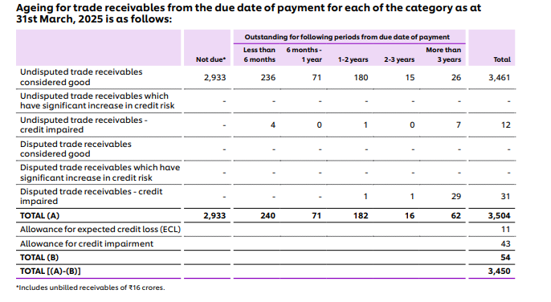

 |  |  |  | 2933 | 240 | 71 | 182 | 16 | 62 | 3504
 |  |  |  | 83.7% | 6.8% | 2.0% | 5.2% | 0.5% | 1.8%

 |  | # | Concalls

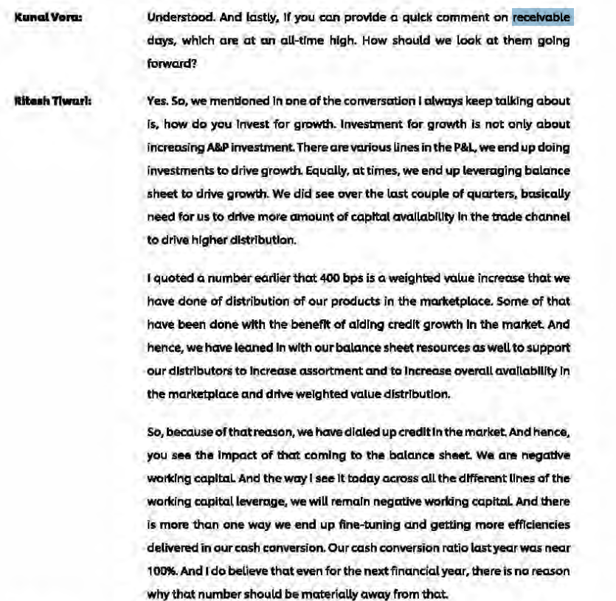

# |  |  | Other Current Assets

 |  |  | Particulars | FY 2016 | FY 2017 | FY 2018 | FY 2019 | FY 2020 | FY 2021 | FY 2022 | FY 2023 | FY 2024 | FY 2025 |  | Average |  |  |  |  |  | Median
 |  |  | Other Current Assets | 525 | 598 | 656 | 468 | 601 | 497 | 688 | 745 | 713 | 955
 |  |  | Current Investments |  |  |  | 2,714 | 1,253 | 2,707 | 3,519 | 2,811 | 4,558 | 3,751
 |  |  | Loans |  |  |  | 4 | 0 | 0 | 35 | 36 | 38 | 46
 |  |  | Other Financial Assets |  |  |  | 605 | 1,420 | 1,188 | 1,089 | 1,386 | 1,425 | 1,488

 |  |  | Total Assets | 14,626 | 15,536 | 17,560 | 18,256 | 19,869 | 68,740 | 70,506 | 73,077 | 78,489 | 79,863
 |  |  | Total Revenue | 32,186 | 33,162 | 35,545 | 39,310 | 39,783 | 47,028 | 52,446 | 60,580 | 61,896 | 63,121

 |  |  | Other Current Assets % Total Assets | 4% | 4% | 4% | 3% | 3% | 1% | 1% | 1% | 1% | 1% |  | 2% |  |  |  |  |  | 2%
 |  |  | Other Current Assets % Revenue | 2% | 2% | 2% | 1% | 2% | 1% | 1% | 1% | 1% | 2% |  | 1% |  |  |  |  |  | 1%

 |  |  | Current Investments % Total Assets |  |  |  | 15% | 6% | 4% | 5% | 4% | 6% | 5% |  | 6% |  |  |  |  |  | 5%
 |  |  | Current Investments % Revenue |  |  |  | 7% | 3% | 6% | 7% | 5% | 7% | 6% |  | 6% |  |  |  |  |  | 6%

 |  |  | Loans % Total Assets |  |  |  | 0% | 0% | 0% | 0% | 0% | 0% | 0% |  | 0% |  |  |  |  |  | 0%
 |  |  | Loans % Revenue |  |  |  | 0% | 0% | 0% | 0% | 0% | 0% | 0% |  | 0% |  |  |  |  |  | 0%

 |  |  | Other Financial Assets % Total Assets |  |  |  | 3% | 7% | 2% | 2% | 2% | 2% | 2% |  | 3% |  |  |  |  |  | 2%
 |  |  | Other Financial Assets % Revenue |  |  |  | 2% | 4% | 3% | 2% | 2% | 2% | 2% |  | 2% |  |  |  |  |  | 2%

# |  |  | Fixed Assets

 |  | # | Particulars | FY 2016 | FY 2017 | FY 2018 | FY 2019 | FY 2020 | FY 2021 | FY 2022 | FY 2023 | FY 2024 | FY 2025 |  | Average |  |  |  |  |  | Median
 |  |  | Gross Block | 3,777 | 5,352 | 5,644 | 6,378 | 7,979 | 54,843 | 55,497 | 58,037 | 59,721 | 61,034
 |  |  | Less: Accumulated Depreciation | 337 | 752 | 1,224 | 1,744 | 2,500 | 3,481 | 4,105 | 4,886 | 5,707 | 6,430
 |  |  | Net Fixed Assets | 3,440 | 4,600 | 4,420 | 4,634 | 5,479 | 51,362 | 51,392 | 53,151 | 54,014 | 54,335

 |  |  | Total Assets | 14,794 | 15,706 | 17,862 | 18,629 | 20,153 | 68,757 | 70,517 | 73,087 | 78,499 | 79,880

 |  |  | Net Fixed Assets % Total Assets | 23.3% | 29.3% | 24.7% | 24.9% | 27.2% | 74.7% | 72.9% | 72.7% | 68.8% | 68.0% |  | 48.6% |  |  |  |  |  | 48.7%

 |  |  | Total Revenue | 32,186 | 33,162 | 35,545 | 39,310 | 39,783 | 47,028 | 52,446 | 60,580 | 61,896 | 63,121

 |  |  | Net Fixed Assets % Total Revenue | 10.7% | 13.9% | 12.4% | 11.8% | 13.8% | 109.2% | 98.0% | 87.7% | 87.3% | 86.1% |  | 53.1% |  |  |  |  |  | 50.0%

 |  |  | Growth in Gross Block yoy% |  | 42% | 5% | 13% | 25% | 587% | 1% | 5% | 3% | 2%
 |  |  | Change in Gross Block |  | 1,575 | 292 | 734 | 1,601 | 46,864 | 654 | 2,540 | 1,684 | 1,313
 |  |  | Change in Revenue |  | 976 | 2,383 | 3,765 | 473 | 7,245 | 5,418 | 8,134 | 1,316 | 1,225

 |  |  | Change in Revenue/Change in Gross Block |  | -1x | 8x | 5x | 0x | 0x | 8x | 3x | 1x | 1x |  | 3x |  |  |  |  |  | 1x
 |  |  | Asset Turnover Ratio | 2.2x | 2.1x | 2.0x | 2.1x | 2.0x | 0.7x | 0.7x | 0.8x | 0.8x | 0.8x |  | 1x |  |  |  |  |  | 1x

 |  | # | Breakup of Fixed Assets | FY 2016 | FY 2017 | FY 2018 | FY 2019 | FY 2020 | FY 2021 | FY 2022 | FY 2023 | FY 2024 | FY 2025
 |  |  | Land | 60 | 60 | 60 | 59 | 59 | 477 | 477 | 476 | 476 | 465
 |  |  | Building | 931 | 1,210 | 1,343 | 1,527 | 1,633 | 2,048 | 2,119 | 2,480 | 2,772 | 2,886
 |  |  | Plant Machinery | 2,370 | 3,270 | 3,691 | 4,092 | 4,291 | 5,040 | 5,473 | 6,361 | 7,380 | 8,234
 |  |  | Furniture n fittings | 61 | 66 | 76 | 88 | 154 | 156 | 152 | 161 | 165 | 174
 |  |  | Equipments | 41 | 62 | 74 | 95 | 139 | 175 | 181 | 185 | 206 | 245
 |  |  | Right-of-Use Asset | 0 | 0 | 0 | 27 | 1,121 | 1,611 | 1,762 | 2,241 | 2,580 | 2,878
 |  |  | Goodwill | 12 | 12 | 0 | 36 | 117 | 17,316 | 17,316 | 17,466 | 17,466 | 17,466
 |  |  | Brand Rights | 160 | 471 | 315 | 329 | 311 | 27,782 | 27,782 | 28,413 | 28,413 | 28,413
 |  |  | Other InTangible Assets | 142 | 201 | 85 | 125 | 154 | 238 | 235 | 254 | 263 | 273
 |  |  | Gross Fixed Assets | 3,777 | 5,352 | 5,644 | 6,378 | 7,979 | 54,843 | 55,497 | 58,037 | 59,721 | 61,034

 |  | # | Breakup of Fixed Assets(Commonsize) | FY 2016 | FY 2017 | FY 2018 | FY 2019 | FY 2020 | FY 2021 | FY 2022 | FY 2023 | FY 2024 | FY 2025
 |  |  | Land | 2% | 1% | 1% | 1% | 1% | 1% | 1% | 1% | 1% | 1% |  | Land to be excluded
 |  |  | Building | 25% | 23% | 24% | 24% | 20% | 4% | 4% | 4% | 5% | 5%
 |  |  | Plant Machinery | 63% | 61% | 65% | 64% | 54% | 9% | 10% | 11% | 12% | 13%
 |  |  | Furniture n fittings | 2% | 1% | 1% | 1% | 2% | 0% | 0% | 0% | 0% | 0%
 |  |  | Equipments | 1% | 1% | 1% | 1% | 2% | 0% | 0% | 0% | 0% | 0%
 |  |  | Right-of-Use Asset | 0% | 0% | 0% | 0% | 14% | 3% | 3% | 4% | 4% | 5%
 |  |  | Goodwill | 0% | 0% | 0% | 1% | 1% | 32% | 31% | 30% | 29% | 29% |  | ~98% of Inatgible Asset is having indefinite life
 |  |  | Brand Rights | 4% | 9% | 6% | 5% | 4% | 51% | 50% | 49% | 48% | 47%
 |  |  | Other InTangible Assets | 4% | 4% | 2% | 2% | 2% | 0% | 0% | 0% | 0% | 0%
 |  |  | Gross Fixed Assets | 100% | 100% | 100% | 100% | 100% | 100% | 100% | 100% | 100% | 100%

 |  | # | Particulars | FY 2016 | FY 2017 | FY 2018 | FY 2019 | FY 2020 | FY 2021 | FY 2022 | FY 2023 | FY 2024 | FY 2025
 |  |  | Change in Gross Block |  | 1,575 | 292 | 734 | 1,601 | 46,864 | 654 | 2,540 | 1,684 | 1,313
 |  |  | Depreciation & Amortization |  | 752 | 1,224 | 1,744 | 2,500 | 3,481 | 4,105 | 4,886 | 5,707 | 6,430

 |  |  | Maintenance Capex |  | 752 | 292 | 734 | 1,601 | 3,481 | 654 | 2,540 | 1,684 | 1,313
 |  |  | Growth Capex |  | 823 |  |  |  | 43,383

 |  |  | Change in Gross Block % Revenue |  | 5% | 1% | 2% | 4% | 100% | 1% | 4% | 3% | 2% |  | 2.7% |  |  |  |  |  | 2.4%

 | # |  | Management Guidance

 |  |  | HUL | https://www.hul.co.in/news/press-releases/2026/hul-to-invest-up-to-2000-crore-in-capacity-expansion/#:~:text=Hindustan%20Unilever%20Limited%20(HUL)%20today,two%20years%20across%20multiple%20locations.

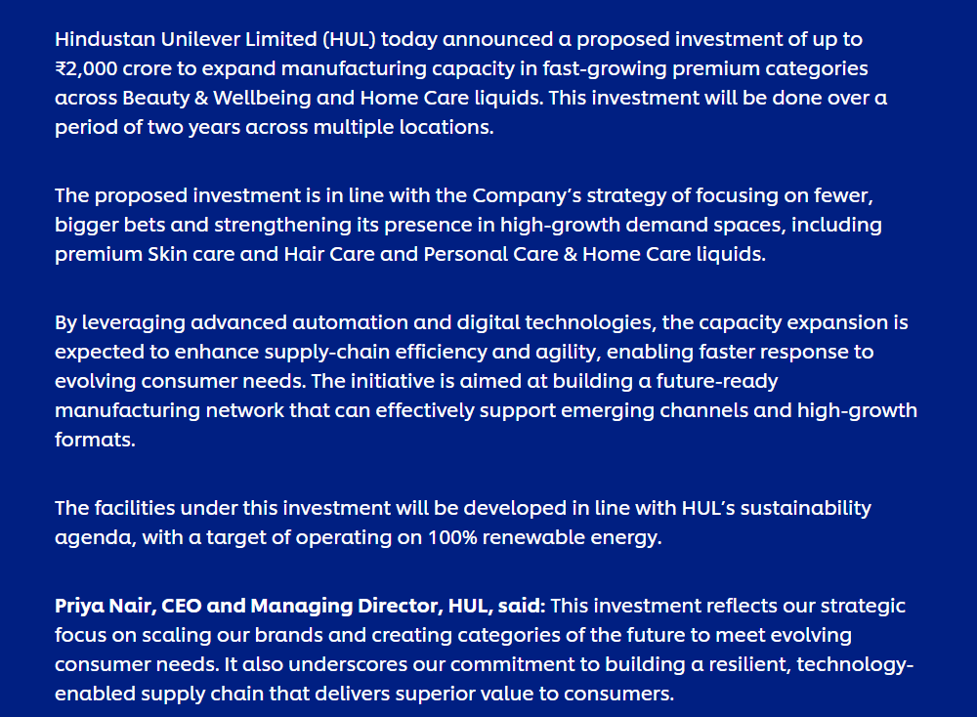

 |  |  |  |  |  |  |  | ₹2000Crore Across 2 Years to be Invested i.e. in 2027 and 2028

 | # |  | Street Estimate

 |  |  |  | 2025 | 2026 | 2027
 |  |  | Capex | 1314 | 1,291.30 | 1,324.50

Historically company has done major growth capex in 2017. The Company is a mature company with almost a century long existence. The COmpany is a market leader in 75% of the area in which it does business. The asset turnover ratio is ~1x. The company has been doing continuos maintenance capex to maintain the ratio. However, the company has announced 2000 crores of capex in the coming 2 years to expand the manufacturing capacity in fast growing premium segments across B&W and Home Care liquids which will further fuel company's growth.
The Capex historically has remained in the range of ~2%-3% . Hence in the terminal year capex will follow that range.

 |  | # | Particulars | FY 2019 | FY 2020 | FY 2021 | FY 2022 | FY 2023 | FY 2024 | FY 2025 | FY 2026 | FY 2027 | FY 2028 | FY 2029 | FY 2030
 |  |  | Property, Plant & Equipments | 4,170 | 4,109 | 5,067 | 5,101 | 5,767 | 6,517 | 6,941
 |  |  | Other Intangible Assets | 125 | 154 | 238 | 235 | 254 | 263 | 273
 |  |  | Total Assets | 4,295 | 4,263 | 5,305 | 5,336 | 6,021 | 6,780 | 7,214 | 8,625.6 | 10,161.2 | 11,833.0 | 13,654.5 | 15,640.8
 |  |  | YoY% Growth |  |  |  |  |  |  |  | 20% | 18% | 16% | 15% | 15%

 |  |  | Capex
 |  | # | Particulars | FY 2019 | FY 2020 | FY 2021 | FY 2022 | FY 2023 | FY 2024 | FY 2025 | FY 2026 | FY 2027 | FY 2028 | FY 2029 | FY 2030 | FY 2031 | FY 2032 | FY 2033 | FY 2034 | FY 2035 |  | Average | Median
 |  |  | Capex | 695 | 850 | 741 | 1,225 | 1,174 | 1,468 | 1,254 | 1,412 | 1,536 | 1,672 | 1,822 | 1,986 | 2,168 | 2,363 | 2,563 | 2,768 | 2,975

 |  |  | Total revenue | 39,310 | 39,783 | 47,028 | 52,446 | 60,580 | 61,896 | 63,121 | 68,611 | 74,637 | 81,259 | 88,537 | 96,544 | 105,357 | 114,846 | 124,597 | 134,538 | 144,601
 |  |  | Capex % Revenue | 1.8% | 2.1% | 1.6% | 2.3% | 1.9% | 2.4% | 2.0% | 2.1% | 2.1% | 2.1% | 2.1% | 2.1% | 2.1% | 2.1% | 2.1% | 2.1% | 2.1% |  | 2.1% | 2.1%

 |  |  | Maintenance Capex | 707 | 1,520 | 3,481 | 654 | 1,986 | 1,887 | 1,314
 |  |  | Growth Capex |  |  | 43,464

# |  |  | Other Non- Current Items

 |  |  | Particulars | FY 2020 | FY 2021 | FY 2022 | FY 2023 | FY 2024 | FY 2025 |  | Average | Median
 |  |  | Total Revenue | 39,783 | 47,028 | 52,446 | 60,580 | 61,896 | 63,121

 |  |  | Other Non- Current Assets | 146 | 219 | 194 | 211 | 292 | 360
 |  |  | Non-Current Financial Assets | 243 | 870 | 846 | 894 | 929 | 909

 |  |  | Other Non- Current Items % Total Revenue | 0.4% | 0.5% | 0.4% | 0.3% | 0.5% | 0.6% |  | 0.4% | 0.4%
 |  |  | Non- Current Financial Assets % Total Revenue | 0.6% | 1.8% | 1.6% | 1.5% | 1.5% | 1.4% |  | 1.4% | 1.5%

# |  |  | CWIP

 |  |  | Particulars | FY 2020 | FY 2021 | FY 2022 | FY 2023 | FY 2024 | FY 2025 |  | Average | Median
 |  |  | Net Fixed Assets | 5,479 | 51,362 | 51,392 | 53,151 | 54,014 | 54,335

 |  |  | CWIP | 597 | 745 | 1,313 | 1,132 | 1,025 | 1,009

 |  |  | CWIP % Net Fixed Assets | 11% | 1% | 3% | 2% | 2% | 2% |  | 3.5% | 2.0%

 |  |  | Median CWIP % Fixed Assets- Moderate Capex | 2%

 | # |  | Management Guidance

 |  |  | No concrete Guidance

 | # |  | Consensus Estimate

 |  |  | Remains flat at 1009

Historically CWIP has been in the range of 2-3% with an exception of year 2019. Base the overall management guidance of cpaex investment in year 2027 and 2028. I assume the capex level to be in the median range of 2% .

# |  |  | Depreciation

 |  |  | Particulars | FY 2019 | FY 2020 | FY 2021 | FY 2022 | FY 2023 | FY 2024 | FY 2025 |  | Average | Median
 |  |  | Gross Block | 6,378 | 7,979 | 54,843 | 55,497 | 58,037 | 59,721 | 61,034
 |  |  | Less: Goodwill | 36 | 117 | 17,316 | 17,316 | 17,466 | 17,466 | 17,466
 |  |  | Less: Brand Rights (Indefinite Life) | 329 | 311 | 27,782 | 27,782 | 28,413 | 28,413 | 28,413
 |  |  | Less: Land | 59 | 59 | 477 | 477 | 476 | 476 | 465
 |  |  | Depreciable Gross Block | 5,954 | 7,492 | 9,268 | 9,922 | 11,682 | 13,366 | 14,690
 |  |  | Less: Acc. Dep & Amortization | 1,744 | 2,500 | 3,481 | 4,105 | 4,886 | 5,707 | 6,430
 |  |  | Net Depreciable Fixed Assets | 4,210 | 4,992 | 5,787 | 5,817 | 6,796 | 7,659 | 8,260

 |  |  | Depreciation for the year | 520 | 756 | 981 | 624 | 781 | 821 | 723

 |  |  | Average Useful Life | 11 | 10 | 9 | 16 | 15 | 16 | 20 |  | 14 | 15
 |  |  | Average Age of the Assets | 3 | 3 | 4 | 7 | 6 | 7 | 9 |  | 6 | 6
 |  |  | % of Asset Used | 29% | 33% | 38% | 41% | 42% | 43% | 44% |  | 39% | 41%

 |  |  | Depreciation % Net Fixed Assets | 11% | 14% | 2% | 1% | 1% | 2% | 1% |  | 5% | 2%

# | # |  | Current Liabilities

 |  | # | Particulars | FY 2016 | FY 2017 | FY 2018 | FY 2019 | FY 2020 | FY 2021 | FY 2022 | FY 2023 | FY 2024 | FY 2025 |  | Average |  |  |  |  |  | Median
 |  |  | Trade Payable | 5,685 | 6,186 | 7,170 | 7,206 | 7,535 | 8,802 | 9,068 | 9,574 | 10,486 | 11,315
 |  |  | Growth YoY% |  | 8.8% | 15.9% | 0.5% | 4.6% | 16.8% | 3.0% | 5.6% | 9.5% | 7.9%

 |  |  | COGS | 13,267 | 13,750 | 14,161 | 18,474 | 18,259 | 22,148 | 25,735 | 31,716 | 29,760 | 30,578

 |  |  | Trade Payables % COGS | 42.9% | 45.0% | 50.6% | 39.0% | 41.3% | 39.7% | 35.2% | 30.2% | 35.2% | 37.0% |  | 40% |  |  |  |  |  | 39%

 |  |  | Trade Payable Days (COGS) | 156 | 164 | 185 | 166 | 176 | 163 | 145 | 123 | 143 | 152 |  | 157 |  |  |  |  |  | 160
 |  |  | 365

 |  |  | Revenue | 32,186 | 33,162 | 35,545 | 39,310 | 39,783 | 47,028 | 52,446 | 60,580 | 61,896 | 63,121

 |  |  | Trade Payable Days (Revenue) | 64 | 68 | 74 | 67 | 69 | 68 | 63 | 58 | 62 | 65 |  | 66 |  |  |  |  |  | 66
 |  |  | 365
 |  |  | Trade Payables % Revenue | 17.7% | 18.7% | 20.2% | 18.3% | 18.9% | 18.7% | 17.3% | 15.8% | 16.9% | 17.9% |  | 18% |  |  |  |  |  | 18%
 |  |  | Trade Receivables % Revenue | 3.9% | 3.3% | 3.7% | 4.6% | 2.9% | 3.7% | 4.3% | 5.1% | 4.8% | 6.1% |  | 4% |  |  |  |  |  | 4%
TP VS TR Comparison
 | # |  | Peer Comparison

 |  | # | Peers Trade Payables Days Analysis (COGS) | FY 2016 | FY 2017 | FY 2018 | FY 2019 | FY 2020 | FY 2021 | FY 2022 | FY 2023 | FY 2024 | FY 2025

 |  |  | HUL | 156 | 164 | 185 | 166 | 176 | 163 | 145 | 123 | 143 | 152
 |  |  | ITC | 63 | 60 | 80 | 74 | 76 | 78 | 61 | 59 | 65 | 55
 |  |  | Marico | 80 | 107 | 103 | 98 | 108 | 109 | 101 | 112 | 137 | 103
 |  |  | Britannia Industries Ltd | 56 | 49 | 59 | 63 | 55 | 63 | 55 | 55 | 63 | 60

 |  |  | Average | 89 | 95 | 107 | 100 | 104 | 103 | 91 | 87 | 102 | 93
 |  |  | Median | 72 | 84 | 92 | 86 | 92 | 94 | 81 | 86 | 101 | 82

 |  | # | Street Estimate (Revenue) | FY 2024 | FY 2025 | FY 2026 | FY 2027 | FY 2028
 |  |  | icici direct | 62 | 65 | 60 | 60 | 60
 |  |  | Bobcaps | 59 | 60 | 60 | 60 | 60
 |  |  | Axis Direct |  | 85.1 | 83.8 | 84.3 | 84.7

 |  |  | Average | 61 | 70 | 68 | 68 | 68
 |  |  | Median | 61 | 65 | 60 | 60 | 60

 | # |  | Management Guidance

 |  |  | NO Concrete Guidance

Company has maintained consistent payable of ~157-160 days , ecpet for the COVID year when it touched 176 Days. High TRade payables days than Trade receivable days points to company's commanding nature of business wherein they command the suppliers regarding their payment term. The trade payables are consistentluy 43-44% of COGS and 18% of revenue.
The peer companies in the market maintain xx payable days and street estimates suggest that payable days are to remian flat.
In absense of management guidance and on the basis of ourt research, we assume the payabales days to remian flat at 160 Days.

# |  |  | Other Current Liabilities Items

 |  |  | we assume ocl excluding short term borrowings to remain flat. STB arec separately calculated

# |  |  | Debt

 |  | # | Particulars | FY 2020 | FY 2021 | FY 2022 | FY 2023 | FY 2024 | FY 2025 |  | Average | Median

 |  |  | Lease Liabilities (L) | 0 | 0 | 741 | 807 | 1,106 | 1,243
 |  |  | YoY Growth % |  |  |  | 9% | 37% | 12% |  | 19% | 12%
 |  |  | Lease Liabilities (S) | 0 | 0 | 302 | 314 | 365 | 404
 |  |  | YoY Growth % |  |  |  | 4% | 16% | 11% |  | 10% | 11%
 |  |  | Short term Borrowings | 0 | 0 | 0 | 98 | 13 | 1
 |  |  | YoY Growth % |  |  |  |  | -87% | -92% |  | -90% | -90%
 |  |  | Total Debt | 0 | 0 | 1,043 | 1,219 | 1,484 | 1,647
 |  |  | YoY Growth % |  |  |  | 17% | 22% | 11% |  | 17% | 17%

 |  |  | Lease Liabilities (L) % Total Debt |  |  | 71% | 66% | 75% | 75% |  | 72% | 73%
 |  |  | Lease Liabilities (S) % Total Debt |  |  | 29% | 26% | 25% | 25% |  | 26% | 25%
 |  |  | Short term Borrowings % Total Debt |  |  | 0.00% | 8.04% | 0.88% | 0.06% |  | 2% | 0%

 |  |  | Revenue | 39,783 | 47,028 | 52,446 | 60,580 | 61,896 | 63,121
 |  |  | Total Capital | 8,246 | 47,694 | 50,130 | 51,741 | 52,907 | 51,257

 |  |  | Lease Liabilities (L) % Revenue | 0% | 0% | 1% | 1% | 2% | 2% |  | 2% | 2%
 |  |  | Lease Liabilities (S) % Revenue | 0% | 0% | 1% | 1% | 1% | 1% |  | 1% | 1%
 |  |  | Short term Borrowings % Revenue | 0% | 0% | 0% | 0% | 0% | 0% |  | 0% | 0%

 |  |  | Debt to Equity | 0.00x | 0.00x | 0.02x | 0.02x | 0.03x | 0.03x |  | 0.02x | 0.02x
 |  |  | Debt to Capital | 0.00x | 0.00x | 0.02x | 0.02x | 0.03x | 0.03x |  | 0.02x | 0.02x
 |  |  | Debt to Asset | 0.00x | 0.00x | 0.01x | 0.02x | 0.02x | 0.02x |  | 0.01x | 0.02x
 |  |  | Debt to EBITDA | 0.00x | 0.00x | 0.08x | 0.09x | 0.10x | 0.11x |  | 0.06x | 0.08x

 |  | # | Particulars | FY 2020 | FY 2021 | FY 2022 | FY 2023 | FY 2024 | FY 2025
 |  |  | Payment of Lease Liabilities | 453 | 492 | 510 | 541 | 529 | 625
 |  |  | Total Lease Liabilities | 0 | 0 | 1,043 | 1,121 | 1,471 | 1,647

 |  |  | Payment of Lease Liabilities % Total Lease Liabilities |  |  | 49% | 48% | 36% | 38% |  |  |  | 37% | 37%

 |  | # | Management Guidance

 |  |  | No conceret Management Guidance available

The company has no long term borrowings, And Have massibvely reduced the scarce Short term borrwings too from ~8.4% in 2023 to 0.06% of Total Debt with Debt to equity maintained consistently in the range of ~0.02x to 0.04x making it almost a debt free company, its debt to capital ratio and debt to asset ratio is maintained in the same range ast D/E ratio The company's debt mainly comprise of Lease Liabilties both Long term and short term.
The company's commanding position in the market which helps it to take money quickly from the customers but the company makes the payment late to the suppliers, helps it to finance the operations of the company as zero cost financing, as a result the company's requirement to use bank overdraft for its day to day operations has reduced significantly and further led to short term borrowings to be decreased.
We, Assume the lease liabilities (L) will stay 2% of revenue and the lease liabilities (L) will stay1% of revenue since with growing revenue and tapping in untouched markets more logistics points will be needed in future while short term borrowings to be 0% since company is moving towards zero debt target and also company is cash rich and can finance its own self.

# |  |  | Interest Rate

 |  | # | Particulars | FY 2020 | FY 2021 | FY 2022 | FY 2023 | FY 2024 | FY 2025 |  | Average | Median

 |  |  | Total Debt | 0 | 0 | 1,043 | 1,219 | 1,484 | 1,647
 |  |  | Interest Cost | 118 | 117 | 106 | 114 | 334 | 395
 |  |  | Interest Cost % Total Debt |  |  | 10% | 9% | 23% | 24% |  | 17% | 16%

 |  |  | Revenue | 39,783 | 47,028 | 52,446 | 60,580 | 61,896 | 63,121
 |  |  | Interest Cost % Revenue | 0.30% | 0.25% | 0.20% | 0.19% | 0.54% | 0.63% |  | 0.39% | 0.37%

 |  | # | Particulars | Interest Rate | Amount
 |  |  | Lease Liabilities (L) & (S) | 7.74% | 1647
 |  |  | Short term Borrowings | 9.95% | 1
 |  |  | Interest Rate | 7.74% | 1648

As the company is a net debt free company, the interest expenses are mostly accounting cost which are unwinding of discounts. To Forcast the interest costs we have taken it as % sales for clarity purposes since other interst costs are also involved and to marginally calculate each item is not a fruitful exercise.

# |  |  | Dividend

 |  |  | Particulars | FY 2016 | FY 2017 | FY 2018 | FY 2019 | FY 2020 | FY 2021 | FY 2022 | FY 2023 | FY 2024 | FY 2025 |  | Average |  |  |  |  |  | Median

 |  |  | Dividend Payout Ratio | 83% | 82% | 83% | 78% | 80% | 119% | 90% | 91% | 96% | 117% |  | 92% |  |  |  |  |  | 87%

# |  |  | Cash Analysis

 |  |  | Particulars | FY 2020 | FY 2021 | FY 2022 | FY 2023 | FY 2024 | FY 2025 | FY 2026 | FY 2027 | FY 2028 | FY 2029 | FY 2030

 |  |  | Cash | 3,216 | 1,842 | 1,147 | 714 | 812 | 6,070 | 10,213 | 11,148 | 11,551 | 11,756 | 11,720

 |  |  | Revenue | 39,783 | 47,028 | 52,446 | 60,590 | 61,836 | 63,121 | 68,611 | 74,637 | 81,259 | 88,537 | 96,544

 |  |  | Cash % Revenue | 8% | 4% | 2% | 1% | 1% | 10% | 15% | 15% | 14% | 13% | 12%

 |  |  | Total Assets | 20,153 | 68,757 | 70,517 | 73,087 | 78,499 | 79,880 | 84,762 | 87,080 | 89,365 | 91,592 | 93,732

 |  |  | Cash % Total Assets | 16% | 3% | 2% | 1% | 1% | 8% | 12% | 13% | 13% | 13% | 13%

Report
 | Hindustan Unilever Limited (HUL), a subsidiary of Unilever PLC, is India’s largest fast-moving consumer goods (FMCG) company, with a history spanning over 90 years. The company maintains market leadership in more than 85% of the categories in which it operates, including Home Care, Beauty & Wellbeing, Personal Care, and Foods. HUL’s distribution network reaches approximately 9 million retail outlets, and its products are used by 9 out of 10 Indian households. The company’s operations are primarily concentrated in the Indian market, although it maintains a presence in 61 countries through exports. Recent strategic activity has focused on premiumization and digital transformation, specifically through the "ASPIRE" strategy, which aims to drive volume-led growth across various consumer segments.
 | Business Model and Capabilities: HUL utilizes a multi-tiered distribution and portfolio model designed to reach consumers across the economic pyramid, categorized as Power Spenders, Premiumisers, and Democratisers. The company specializes in market development and category creation, leveraging a network of 3,500+ distributors and 1.4 million retailers onboarded on its e-B2B platform, Shikhar. HUL is characterized by a "kirana-centric, distributor-inclusive" digital transformation strategy and maintains competitive advantages through deep consumer data analytics and an integrated supply chain.
 | Revenue Breakdown: |  |  | Segment
 | By Segment (FY 2024-25 Consolidated): Home Care accounted for ₹22,958 crore (36.4%), Foods for ₹15,294 crore (24.2%), Beauty & Wellbeing for ₹13,523 crore (21.4%), and Personal Care for ₹9,166 crore (14.5%). Other segments, including exports and consignment income, contributed ₹2,180 crore. |  | Home Care | 22958
 | By Geography (FY 2024-25 Consolidated): Domestic sales in India generated ₹60,556 crore (95.9% of total revenue), while international markets contributed ₹2,565 crore. |  | Foods & Refreshment | 15294
 |  |  | Beauty & Wellbeing | 13523
Revenue by Segment (FY 25)
 |  |  | Personal Care | 9166
 |  |  | Others | 2180

 | Date | Price
 | 20-Mar-25 | 2,242.40
 | 21-Mar-25 | 2,246.20
 | 24-Mar-25 | 2,256.20
 | 25-Mar-25 | 2,271.30
 | 26-Mar-25 | 2,245.95
 | 27-Mar-25 | 2,244.65
 | 28-Mar-25 | 2,258.85
 | 1-Apr-25 | 2,233.85
 | 2-Apr-25 | 2,237.90
 | 3-Apr-25 | 2,244.55
 | 4-Apr-25 | 2,244.55
 | 7-Apr-25 | 2,249.40
 | 8-Apr-25 | 2,289.25
 | 9-Apr-25 | 2,350.00
 | 11-Apr-25 | 2,366.15
 | 15-Apr-25 | 2,361.50
 | 16-Apr-25 | 2,366.60
 | 17-Apr-25 | 2,375.00
 | 21-Apr-25 | 2,351.00
 | 22-Apr-25 | 2,398.70
 | 23-Apr-25 | 2,423.80
 | 24-Apr-25 | 2,325.30
 | 25-Apr-25 | 2,332.20
 | 28-Apr-25 | 2,318.60
 | 29-Apr-25 | 2,321.70
 | 30-Apr-25 | 2,342.10
 | 2-May-25 | 2,323.90
 | 5-May-25 | 2,348.60
 | 6-May-25 | 2,381.80
 | 7-May-25 | 2,370.80
 | 8-May-25 | 2,354.90
 | 9-May-25 | 2,332.90
 | 12-May-25 | 2,382.50
 | 13-May-25 | 2,360.00
 | 14-May-25 | 2,350.50
 | 15-May-25 | 2,355.20
 | 16-May-25 | 2,381.40
 | 19-May-25 | 2,382.70
 | 20-May-25 | 2,341.10
 | 21-May-25 | 2,363.90
 | 22-May-25 | 2,330.70
 | 23-May-25 | 2,359.20
 | 26-May-25 | 2,394.10
 | 27-May-25 | 2,380.20
 | 28-May-25 | 2,362.00
 | 29-May-25 | 2,366.70
 | 30-May-25 | 2,348.30
 | 2-Jun-25 | 2,371.60
 | 3-Jun-25 | 2,352.30
 | 4-Jun-25 | 2,364.50
 | 5-Jun-25 | 2,376.40
 | 6-Jun-25 | 2,389.80
 | 9-Jun-25 | 2,393.20
 | 10-Jun-25 | 2,395.20
 | 11-Jun-25 | 2,376.40
 | 12-Jun-25 | 2,332.70
 | 13-Jun-25 | 2,319.00
 | 16-Jun-25 | 2,327.40
 | 17-Jun-25 | 2,328.60
 | 18-Jun-25 | 2,297.30
 | 19-Jun-25 | 2,294.20
 | 20-Jun-25 | 2,306.20
 | 23-Jun-25 | 2,275.10
 | 24-Jun-25 | 2,263.10
 | 25-Jun-25 | 2,278.70
 | 26-Jun-25 | 2,280.80
 | 27-Jun-25 | 2,306.90
 | 30-Jun-25 | 2,294.60
 | 1-Jul-25 | 2,295.50
 | 2-Jul-25 | 2,307.10
 | 3-Jul-25 | 2,313.40
 | 4-Jul-25 | 2,339.30
 | 7-Jul-25 | 2,410.40
 | 8-Jul-25 | 2,392.70
 | 9-Jul-25 | 2,423.40
 | 10-Jul-25 | 2,408.40
 | 11-Jul-25 | 2,519.60
 | 14-Jul-25 | 2,516.60
 | 15-Jul-25 | 2,526.90
 | 16-Jul-25 | 2,517.60
 | 17-Jul-25 | 2,509.80
 | 18-Jul-25 | 2,489.60
 | 21-Jul-25 | 2,464.90
 | 22-Jul-25 | 2,479.70
 | 23-Jul-25 | 2,450.40
 | 24-Jul-25 | 2,437.80
 | 25-Jul-25 | 2,415.40
 | 28-Jul-25 | 2,441.60
 | 29-Jul-25 | 2,453.60
 | 30-Jul-25 | 2,437.40
 | 31-Jul-25 | 2,521.20
 | 1-Aug-25 | 2,553.70
 | 4-Aug-25 | 2,543.70
 | 5-Aug-25 | 2,534.70
 | 6-Aug-25 | 2,535.60
 | 7-Aug-25 | 2,517.50
 | 8-Aug-25 | 2,498.60
 | 11-Aug-25 | 2,518.40
 | 12-Aug-25 | 2,483.80
 | 13-Aug-25 | 2,495.10
 | 14-Aug-25 | 2,480.60
 | 18-Aug-25 | 2,568.10
 | 19-Aug-25 | 2,604.80
 | 20-Aug-25 | 2,669.80
 | 21-Aug-25 | 2,648.00
 | 22-Aug-25 | 2,629.90
 | 25-Aug-25 | 2,631.60
 | 26-Aug-25 | 2,692.60
 | 28-Aug-25 | 2,654.40
 | 29-Aug-25 | 2,659.80
 | 1-Sep-25 | 2,649.50
 | 2-Sep-25 | 2,677.00
 | 3-Sep-25 | 2,664.70
 | 4-Sep-25 | 2,666.60
 | 5-Sep-25 | 2,633.40
 | 8-Sep-25 | 2,623.90
 | 9-Sep-25 | 2,642.00
 | 10-Sep-25 | 2,643.50
 | 11-Sep-25 | 2,622.00
 | 12-Sep-25 | 2,580.50
 | 15-Sep-25 | 2,581.00
 | 16-Sep-25 | 2,580.90
 | 17-Sep-25 | 2,569.70
 | 18-Sep-25 | 2,586.80
 | 19-Sep-25 | 2,559.60
 | 22-Sep-25 | 2,572.20
 | 23-Sep-25 | 2,522.20
 | 24-Sep-25 | 2,549.50
 | 25-Sep-25 | 2,538.30
 | 26-Sep-25 | 2,511.80
 | 29-Sep-25 | 2,497.90
 | 30-Sep-25 | 2,514.40
 | 1-Oct-25 | 2,536.20
 | 3-Oct-25 | 2,544.90
 | 6-Oct-25 | 2,541.80
 | 7-Oct-25 | 2,517.20
 | 8-Oct-25 | 2,500.10
 | 9-Oct-25 | 2,517.60
 | 10-Oct-25 | 2,528.90
 | 13-Oct-25 | 2,492.80
 | 14-Oct-25 | 2,502.30
 | 15-Oct-25 | 2,519.00
 | 16-Oct-25 | 2,561.50
 | 17-Oct-25 | 2,603.70
 | 20-Oct-25 | 2,594.40
 | 21-Oct-25 | 2,591.70
 | 23-Oct-25 | 2,601.60
 | 24-Oct-25 | 2,516.40
 | 27-Oct-25 | 2,511.80
 | 28-Oct-25 | 2,497.10
 | 29-Oct-25 | 2,488.10
 | 30-Oct-25 | 2,469.60
 | 31-Oct-25 | 2,465.50
 | 3-Nov-25 | 2,460.00
 | 4-Nov-25 | 2,445.70
 | 6-Nov-25 | 2,436.00
 | 7-Nov-25 | 2,414.00
 | 10-Nov-25 | 2,408.80
 | 11-Nov-25 | 2,427.50
 | 12-Nov-25 | 2,424.50
 | 13-Nov-25 | 2,407.60
 | 14-Nov-25 | 2,427.70
 | 17-Nov-25 | 2,425.00
 | 18-Nov-25 | 2,404.00
 | 19-Nov-25 | 2,441.60
 | 20-Nov-25 | 2,428.40
 | 21-Nov-25 | 2,433.70
 | 24-Nov-25 | 2,424.20
 | 25-Nov-25 | 2,414.10
 | 26-Nov-25 | 2,425.20
 | 27-Nov-25 | 2,451.70
 | 28-Nov-25 | 2,426.33
 | 1-Dec-25 | 2,424.26
 | 2-Dec-25 | 2,437.34
 | 3-Dec-25 | 2,408.03
 | 4-Dec-25 | 2,422.00
 | 5-Dec-25 | 2,338.60
 | 8-Dec-25 | 2,314.00
 | 9-Dec-25 | 2,306.50
 | 10-Dec-25 | 2,301.70
 | 11-Dec-25 | 2,305.60
 | 12-Dec-25 | 2,260.60
 | 15-Dec-25 | 2,293.50
 | 16-Dec-25 | 2,281.10
 | 17-Dec-25 | 2,275.60
 | 18-Dec-25 | 2,265.50
 | 19-Dec-25 | 2,280.00
 | 22-Dec-25 | 2,289.50
 | 23-Dec-25 | 2,302.60
 | 24-Dec-25 | 2,282.20
 | 26-Dec-25 | 2,285.40
 | 29-Dec-25 | 2,293.30
 | 30-Dec-25 | 2,290.20
 | 31-Dec-25 | 2,315.90
 | 1-Jan-26 | 2,323.00
 | 2-Jan-26 | 2,348.00
 | 5-Jan-26 | 2,384.10
 | 6-Jan-26 | 2,424.70
 | 7-Jan-26 | 2,399.40
 | 8-Jan-26 | 2,386.70
 | 9-Jan-26 | 2,372.60
 | 12-Jan-26 | 2,406.20
 | 13-Jan-26 | 2,389.50
 | 14-Jan-26 | 2,353.50
 | 16-Jan-26 | 2,360.40
 | 19-Jan-26 | 2,413.90
 | 20-Jan-26 | 2,379.10
 | 21-Jan-26 | 2,368.00
 | 22-Jan-26 | 2,390.60
 | 23-Jan-26 | 2,409.50
 | 27-Jan-26 | 2,400.90
 | 28-Jan-26 | 2,378.40
 | 29-Jan-26 | 2,352.60
 | 30-Jan-26 | 2,373.00
 | 1-Feb-26 | 2,350.70
 | 2-Feb-26 | 2,357.30
 | 3-Feb-26 | 2,368.60
 | 4-Feb-26 | 2,371.00
 | 5-Feb-26 | 2,354.40
 | 6-Feb-26 | 2,424.20
 | 9-Feb-26 | 2,435.00
 | 10-Feb-26 | 2,453.60
 | 11-Feb-26 | 2,462.90
 | 12-Feb-26 | 2,409.70
 | 13-Feb-26 | 2,305.20
 | 16-Feb-26 | 2,319.00
 | 17-Feb-26 | 2,312.30
 | 18-Feb-26 | 2,323.50
 | 19-Feb-26 | 2,279.30
 | 20-Feb-26 | 2,314.50
 | 23-Feb-26 | 2,345.40
 | 24-Feb-26 | 2,358.60
 | 25-Feb-26 | 2,374.90
 | 26-Feb-26 | 2,383.30
 | 27-Feb-26 | 2,338.10
 | 2-Mar-26 | 2,320.60
 | 4-Mar-26 | 2,261.30
 | 5-Mar-26 | 2,255.00
 | 6-Mar-26 | 2,225.70
 | 9-Mar-26 | 2,194.60
 | 10-Mar-26 | 2,190.20
 | 11-Mar-26 | 2,161.40
 | 12-Mar-26 | 2,136.90
 | 13-Mar-26 | 2,160.00
 | 16-Mar-26 | 2,175.70
 | 17-Mar-26 | 2,158.20
 | 18-Mar-26 | 2,135.30
 | 19-Mar-26 | 2,077.30
 | 20-Mar-26 | 2,078.10

 | India | 95.9%
 | Rest of the World | 4.1%

Location - Wise Break up

 | Global GDP Growth Projections | 2025 | 2026 | 2027
 | World | 2.8% | 3.3% | 3.2%
 | United States | 2.1% | 2.4% | 2.0%
 | India | 7.5% | 6.4% | 6.4%

SG&A
 | Revenue From Operations | SG&A | SG&A YoY % Growth | SG&A % Revenue
FY2020 | 39783 | 11663 |  | 29%
FY2021 | 47028 | 13254 | 13.6% | 28%
FY2022 | 52446 | 13854 | 4.5% | 26%
FY2023 | 60590 | 14715 | 6.2% | 24%
FY2024 | 61836 | 17473 | 18.7% | 28%
FY2025 | 63121 | 17692 | 1.3% | 28%
FY2026 | 68611 | 19211 | 8.6% | 28%
FY2027 | 74637 | 20898 | 8.8% | 28%
FY2028 | 81259 | 22752 | 8.9% | 28%
FY2029 | 88537 | 24790 | 9.0% | 28%
FY2030 | 96544 | 27032 | 9.0% | 28%
FY2031 | 105357 | 29500 | 9.1% | 28%
FY2032 | 114846 | 32157 | 9.0% | 28%
FY2033 | 124597 | 34887 | 8.5% | 28%
FY2034 | 134538 | 37671 | 8.0% | 28%
FY2035 | 144601 | 40488 | 7.5% | 28%

Revenue Growth

SG&A Breakup % Total SG&A
 |  | FY2020 | FY2021 | FY2022 | FY2023 | FY2024 | FY2025 | FY2026 | FY2027 | FY2028 | FY2029 | FY2030 | FY2031 | FY2032 | FY2033 | FY2034 | FY2035
 | Revenue From Operations | 39783 | 47028 | 52446 | 60590 | 61836 | 63121 | 68611 | 74637 | 81259 | 88537 | 96544 | 105357 | 114846 | 124597 | 134538 | 144601
 | Revenue Yoy% Growth | 1.2% | 18.2% | 11.5% | 15.5% | 2.2% | 2.0% | 8.7% | 8.8% | 8.9% | 9.0% | 9.0% | 9.1% | 9.0% | 8.5% | 8.0% | 7.5%

 |  | FY2020 | FY2021 | FY2022 | FY2023 | FY2024 | FY2025 | FY2026 | FY2027 | FY2028 | FY2029 | FY2030 | FY2031 | FY2032 | FY2033 | FY2034 | FY2035
 | Revenue From Operations | 39783 | 47028 | 52446 | 60590 | 61836 | 63121 | 68611 | 74637 | 81259 | 88537 | 96544 | 105357 | 114846 | 124597 | 134538 | 144601
 | Gross Profit | 54.1% | 52.9% | 50.9% | 47.7% | 51.9% | 51.6% | 51.0% | 51.2% | 51.5% | 51.7% | 51.9% | 51.9% | 51.9% | 51.9% | 51.9% | 51.9%

 |  | FY2020 | FY2021 | FY2022 | FY2023 | FY2024 | FY2025 | FY2026 | FY2027 | FY2028 | FY2029 | FY2030 | FY2031 | FY2032 | FY2033 | FY2034 | FY2035
 | Revenue From Operations | 39783 | 47028 | 52446 | 60590 | 61836 | 63121 | 68611 | 74637 | 81259 | 88537 | 96544 | 105357 | 114846 | 124597 | 134538 | 144601
 | SG&A | 11663 | 13254 | 13854 | 14715 | 17473 | 17692 | 19211 | 20898 | 22752 | 24790 | 27032 | 29500 | 32157 | 34887 | 37671 | 40488
 | SG&A YoY % Growth |  | 13.6% | 4.5% | 6.2% | 18.7% | 1.3% | 8.6% | 8.8% | 8.9% | 9.0% | 9.0% | 9.1% | 9.0% | 8.5% | 8.0% | 7.5%
 | SG&A % Revenue | 29% | 28% | 26% | 24% | 28% | 28% | 28% | 28% | 28% | 28% | 28% | 28% | 28% | 28% | 28% | 28%

Inventory Days
 |  | FY2020 | FY2021 | FY2022 | FY2023 | FY2024 | FY2025 | FY2026 | FY2027 | FY2028 | FY2029 | FY2030 | FY2031 | FY2032 | FY2033 | FY2034 | FY2035
 | Employee Cost % SG&A | 16% | 18% | 18% | 19% | 17% | 17%
 | Advertisement & Sales Promotion % SG&A | 40% | 36% | 34% | 33% | 37% | 34%
 | Other Expenses % SG&A | 31% | 33% | 34% | 34% | 35% | 37%
 | Other Selling & Distribution Cost % SG&A | 13% | 13% | 14% | 13% | 11% | 11%

 | Revenue Yoy% Growth | Inventory Yoy% Growth | Trade Receivables Yoy% Growth
FY2020 | 1.2%
FY2021 | 18.2% | 29.3% | 53.0%
FY2022 | 11.5% | 14.4% | 27.2%
FY2023 | 15.5% | 3.8% | 37.7%
FY2024 | 2.2% | -5.4% | -2.7%
FY2025 | 2.0% | 9.8% | 27.4%
FY2026 | 8.7% | 25.2% | -11.4%
FY2027 | 8.8% | 8.3% | -3.3%
FY2028 | 8.9% | 8.4% | 8.9%
FY2029 | 9.0% | 8.5% | 9.0%
FY2030 | 9.0% | 8.5% | 9.0%
FY2031 | 9.1% | 9.1% | 9.1%
FY2032 | 9.0% | 9.0% | 9.0%
FY2033 | 8.5% | 8.5% | 8.5%
FY2034 | 8.0% | 8.0% | 8.0%
FY2035 | 7.5% | 7.5% | 7.5%
 |  | FY2020 | FY2021 | FY2022 | FY2023 | FY2024 | FY2025 | FY2026 | FY2027 | FY2028 | FY2029 | FY2030 | FY2031 | FY2032 | FY2033 | FY2034 | FY2035
 | Revenue | 39783 | 47028 | 52446 | 60590 | 61836 | 63121 | 68611 | 74637 | 81259 | 88537 | 96544 | 105357 | 114846 | 124597 | 134538 | 144601
 | Revenue Yoy% Growth | 1.2% | 18.2% | 11.5% | 15.5% | 2.2% | 2.0% | 8.7% | 8.8% | 8.9% | 9.0% | 9.0% | 9.1% | 9.0% | 8.5% | 8.0% | 7.5%
Revenue- Trade Payables
 | Trade Payable Days (COGS) | COGS | Trade Payable Growth YoY%
FY2020 | 151 Days | 18259
FY2021 | 145 Days | 22148 | 16.8%
FY2022 | 129 Days | 25735 | 3.0%
FY2023 | 110 Days | 31716 | 5.6%
FY2024 | 129 Days | 29760 | 9.5%
FY2025 | 135 Days | 30578 | 7.9%
FY2026 | 160 Days | 33619 | 30.2%
FY2027 | 160 Days | 36404 | 8.3%
FY2028 | 160 Days | 39451 | 8.4%
FY2029 | 160 Days | 42786 | 8.5%
FY2030 | 160 Days | 46438 | 8.5%
FY2031 | 160 Days | 50677 | 9.1%
FY2032 | 160 Days | 55241 | 9.0%
FY2033 | 160 Days | 59931 | 8.5%
FY2034 | 160 Days | 64713 | 8.0%
FY2035 | 160 Days | 69553 | 7.5%
 | Inventories | 2767 | 3579 | 4096 | 4251 | 4022 | 4415 | 5526 | 5984 | 6485 | 7033 | 7634 | 8330 | 9081 | 9852 | 10638 | 11433
 | Inventory Yoy% Growth |  | 29.3% | 14.4% | 3.8% | -5.4% | 9.8% | 25.2% | 8.3% | 8.4% | 8.5% | 8.5% | 9.1% | 9.0% | 8.5% | 8.0% | 7.5%
 | COGS | 18259 | 22148 | 25735 | 31716 | 29760 | 30578 | 33619 | 36404 | 39451 | 42786 | 46438 | 50677 | 55241 | 59931 | 64713 | 69553
 | Inventory Days | 55 Days | 59 Days | 58 Days | 49 Days | 49 Days | 53 Days | 60 Days | 60 Days | 60 Days | 60 Days | 60 Days | 60 Days | 60 Days | 60 Days | 60 Days | 60 Days
 | Debtor Days | 11 Days | 14 Days | 16 Days | 19 Days | 18 Days | 22 Days | 18 Days | 16 Days | 16 Days | 16 Days | 16 Days | 16 Days | 16 Days | 16 Days | 16 Days | 16 Days
Debtor Days
 | Trade Receivables | 1149 | 1758 | 2236 | 3079 | 2997 | 3819 | 3384 | 3272 | 3562 | 3881 | 4232 | 4618 | 5034 | 5462 | 5898 | 6339

 |  | FY2020 | FY2021 | FY2022 | FY2023 | FY2024 | FY2025 | FY2026 | FY2027 | FY2028 | FY2029 | FY2030 | FY2031 | FY2032 | FY2033 | FY2034 | FY2035
 | Revenue Yoy% Growth | 1.2% | 18.2% | 11.5% | 15.5% | 2.2% | 2.0% | 8.7% | 8.8% | 8.9% | 9.0% | 9.0% | 9.1% | 9.0% | 8.5% | 8.0% | 7.5%
 | Inventory Yoy% Growth |  | 29.3% | 14.4% | 3.8% | -5.4% | 9.8% | 25.2% | 8.3% | 8.4% | 8.5% | 8.5% | 9.1% | 9.0% | 8.5% | 8.0% | 7.5%
 | Trade Receivables Yoy% Growth |  | 53.0% | 27.2% | 37.7% | -2.7% | 27.4% | -11.4% | -3.3% | 8.9% | 9.0% | 9.0% | 9.1% | 9.0% | 8.5% | 8.0% | 7.5%

Other Current Items % Revenue
 |  | FY2020 | FY2021 | FY2022 | FY2023 | FY2024 | FY2025 | FY2026 | FY2027 | FY2028 | FY2029 | FY2030 | FY2031 | FY2032 | FY2033 | FY2034 | FY2035
 | Total Revenue | 39783 | 47028 | 52446 | 60590 | 61836 | 63121 | 68611 | 74637 | 81259 | 88537 | 96544 | 105357 | 114846 | 124597 | 134538 | 144601
 | Other Current Assets % Revenue | 1.6% | 1.1% | 1.3% | 1.2% | 1.2% | 1.5% | 1.0% | 1.0% | 1.0% | 1.0% | 1.0% | 1.0% | 1.0% | 1.0% | 1.0% | 1.0%
 | Current Investments % Revenue | 3.1% | 5.8% | 6.7% | 4.6% | 7.4% | 5.9% | 5.5% | 5.0% | 4.6% | 4.2% | 3.9% | 3.6% | 3.3% | 3.0% | 2.8% | 2.6%
 | Loans % Revenue | 0.0% | 0.0% | 0.1% | 0.1% | 0.1% | 0.1% | 0.1% | 0.1% | 0.1% | 0.1% | 0.0% | 0.0% | 0.0% | 0.0% | 0.0% | 0.0%
 | Other Financial Assets % Revenue | 3.6% | 2.5% | 2.1% | 2.3% | 2.3% | 2.4% | 1.0% | 1.0% | 1.0% | 1.0% | 1.0% | 1.0% | 1.0% | 1.0% | 1.0% | 1.0%

Trade Payables % Revenue
 |  | FY2020 | FY2021 | FY2022 | FY2023 | FY2024 | FY2025 | FY2026 | FY2027 | FY2028 | FY2029 | FY2030 | FY2031 | FY2032 | FY2033 | FY2034 | FY2035
 | Total Revenue | 39783 | 47028 | 52446 | 60590 | 61836 | 63121 | 68611 | 74637 | 81259 | 88537 | 96544 | 105357 | 114846 | 124597 | 134538 | 144601
 | Trade Payable | 7535 | 8802 | 9068 | 9574 | 10486 | 11315 | 14737 | 15958 | 17294 | 18755 | 20356 | 22214 | 24215 | 26271 | 28367 | 30489
Trade Payable -Trade Payable Days
 | Trade Payable % Revenue | 18.9% | 18.7% | 17.3% | 15.8% | 17.0% | 17.9% | 21.5% | 21.4% | 21.3% | 21.2% | 21.1% | 21.1% | 21.1% | 21.1% | 21.1% | 21.1%
 | COGS | 18259 | 22148 | 25735 | 31716 | 29760 | 30578 | 33619 | 36404 | 39451 | 42786 | 46438 | 50677 | 55241 | 59931 | 64713 | 69553
 | Trade Payable Growth YoY% |  | 16.8% | 3.0% | 5.6% | 9.5% | 7.9% | 30.2% | 8.3% | 8.4% | 8.5% | 8.5% | 9.1% | 9.0% | 8.5% | 8.0% | 7.5%
 | Trade Payable Days (COGS) | 151 Days | 145 Days | 129 Days | 110 Days | 129 Days | 135 Days | 160 Days | 160 Days | 160 Days | 160 Days | 160 Days | 160 Days | 160 Days | 160 Days | 160 Days | 160 Days

 | Lease Liabilities (L) % Total Debt | Lease Liabilities (S) % Total Debt | Short term Borrowings % Total Debt
FY2020
FY2021
FY2022 | 71.0% | 29.0% | 0.0%
FY2023 | 66.2% | 25.8% | 8.0%
FY2024 | 74.5% | 24.6% | 0.9%
FY2025 | 75.4% | 24.5% | 0.1%
FY2026 | 66.7% | 33.3% | 0.0%
FY2027 | 66.7% | 33.3% | 0.0%
FY2028 | 66.7% | 33.3% | 0.0%
FY2029 | 66.7% | 33.3% | 0.0%
FY2030 | 66.7% | 33.3% | 0.0%
FY2031 | 66.7% | 33.3% | 0.0%
FY2032 | 66.7% | 33.3% | 0.0%
FY2033 | 66.7% | 33.3% | 0.0%
FY2034 | 66.7% | 33.3% | 0.0%
FY2035 | 66.7% | 33.3% | 0.0%
 |  | FY2020 | FY2021 | FY2022 | FY2023 | FY2024 | FY2025 | FY2026 | FY2027 | FY2028 | FY2029 | FY2030 | FY2031 | FY2032 | FY2033 | FY2034 | FY2035
 | Lease Liabilities (L) % Revenue | 0.0% | 0.0% | 1.4% | 1.3% | 1.8% | 2.0% | 2.0% | 2.0% | 2.0% | 2.0% | 2.0% | 2.0% | 2.0% | 2.0% | 2.0% | 2.0%
 | Lease Liabilities (S) % Revenue | 0.0% | 0.0% | 0.6% | 0.5% | 0.6% | 0.6% | 1.0% | 1.0% | 1.0% | 1.0% | 1.0% | 1.0% | 1.0% | 1.0% | 1.0% | 1.0%
 | Short term Borrowings % Revenue | 0.0% | 0.0% | 0.0% | 0.2% | 0.0% | 0.0% | 0.0% | 0.0% | 0.0% | 0.0% | 0.0% | 0.0% | 0.0% | 0.0% | 0.0% | 0.0%

Capex
 | Capex | Capex YoY % Growth
FY2020 | 850
FY2021 | 741 | -12.8%
FY2022 | 1225 | 65.3%
FY2023 | 1174 | -4.2%
FY2024 | 1468 | 25.0%
FY2025 | 1254 | -14.6%
FY2026 | 1412 | 12.6%
FY2027 | 1536 | 8.8%
FY2028 | 1672 | 8.9%
FY2029 | 1822 | 9.0%
FY2030 | 1986 | 9.0%
FY2031 | 2168 | 9.1%
FY2032 | 2363 | 9.0%
FY2033 | 2563 | 8.5%
FY2034 | 2768 | 8.0%
FY2035 | 2975 | 7.5%
 | Lease Liabilities (L) % Total Debt |  |  | 71.0% | 66.2% | 74.5% | 75.4% | 66.7% | 66.7% | 66.7% | 66.7% | 66.7% | 66.7% | 66.7% | 66.7% | 66.7% | 66.7%
 | Lease Liabilities (S) % Total Debt |  |  | 29.0% | 25.8% | 24.6% | 24.5% | 33.3% | 33.3% | 33.3% | 33.3% | 33.3% | 33.3% | 33.3% | 33.3% | 33.3% | 33.3%
 | Short term Borrowings % Total Debt |  |  | 0.0% | 8.0% | 0.9% | 0.1% | 0.0% | 0.0% | 0.0% | 0.0% | 0.0% | 0.0% | 0.0% | 0.0% | 0.0% | 0.0%

 |  | FY2020 | FY2021 | FY2022 | FY2023 | FY2024 | FY2025 | FY2026 | FY2027 | FY2028 | FY2029 | FY2030 | FY2031 | FY2032 | FY2033 | FY2034 | FY2035
 | Capex | 850 | 741 | 1225 | 1174 | 1468 | 1254 | 1412 | 1536 | 1672 | 1822 | 1986 | 2168 | 2363 | 2563 | 2768 | 2975
 | Capex YoY % Growth |  | -12.8% | 65.3% | -4.2% | 25.0% | -14.6% | 12.6% | 8.8% | 8.9% | 9.0% | 9.0% | 9.1% | 9.0% | 8.5% | 8.0% | 7.5%

 |  | FY2020 | FY2021 | FY2022 | FY2023 | FY2024 | FY2025 | FY2026 | FY2027 | FY2028 | FY2029 | FY2030 | FY2031 | FY2032 | FY2033 | FY2034 | FY2035
 | Fixed Assets | 5557 | 6861 | 7482 | 8081 | 9056 | 9634 | 10782 | 11677 | 12616 | 13604 | 14648 | 15756 | 16925 | 18128 | 19348 | 20566
 | Intangible Assets | 519 | 45327 | 45304 | 45729 | 45713 | 45710 | 45718 | 45727 | 45737 | 45749 | 45761 | 45778 | 45802 | 45832 | 45870 | 45917
 | Other Non- Current Items | 1756 | 2352 | 2209 | 2279 | 2406 | 2485 | 2500 | 2515 | 2531 | 2547 | 2563 | 2579 | 2595 | 2612 | 2629 | 2646

 | Total Assets | 20153 | 68757 | 70517 | 73087 | 78499 | 79880 | 84762 | 87080 | 89365 | 91592 | 93732 | 95855 | 97788 | 99375 | 100543 | 101217

 | Fixed Assets | 28% | 10% | 11% | 11% | 12% | 12% | 13% | 13% | 14% | 15% | 16% | 16% | 17% | 18% | 19% | 20%
 | Intangible Assets | 3% | 66% | 64% | 63% | 58% | 57% | 54% | 53% | 51% | 50% | 49% | 48% | 47% | 46% | 46% | 45%
 | Other Non- Current Items | 9% | 3% | 3% | 3% | 3% | 3% | 3% | 3% | 3% | 3% | 3% | 3% | 3% | 3% | 3% | 3%
 | Current Assets | 61% | 21% | 22% | 23% | 27% | 28% | 30% | 31% | 32% | 32% | 33% | 33% | 33% | 33% | 33% | 32%
 |  | FY2025
 | Fixed Assets | 12%
 | Intangible Assets | 57%
Assets Mix (FY 2025)
 | Other Non- Current Items | 3%
 | Current Assets | 28%

Total Assets Forecast

Gross Profit

Operating Profit (FY 25)
# | Historical
 | Particulars | FY 2019 | FY 2020 | FY 2021 | FY 2022 | FY 2023 | FY 2024 | FY 2025 |  | Average | Median
 | HUL | 53.0% | 54.1% | 52.9% | 50.9% | 47.6% | 51.9% | 51.6% |  | 51.7% | 51.9% |  |  |  | Business Segment | FY 2024-25 (Full Year)
 |  |  |  |  |  |  |  |  |  |  |  |  |  |  | Home Care | 33.00%
 |  |  |  |  |  |  |  |  |  |  |  |  |  |  | Beauty & Well-being | 32.00%
# | Sector Data |  |  |  |  |  |  |  |  |  |  |  |  |  | Foods (Food & Beverages) | 21.50%
 |  |  |  |  |  |  |  |  |  |  |  |  |  |  | Personal Care | 12.30%
 | Just India | 52.58% |  |  |  |  |  |  |  |  |  |  |  |  | Others | 1.20%
 |  |  |  |  |  |  |  |  |  |  |  |  |  |  | Total | 100.00%
 | Global | 51.66%

 | Source : Damodaran

# | Peer Analysis

 |  | FY 2019 | FY 2020 | FY 2021 | FY 2022 | FY 2023 | FY 2024 | FY 2025 |  | Average | Median
 | Dabur India Limited | 63.82% | 64.61% | 62.80% | 62.09% | 59.49% | 61.59% | 61.90% |  | 62.3% | 62.1%
 | Godrej Consumer Products Limited | 55.84% | 57.00% | 55.30% | 50.51% | 49.66% | 55.16% | 54.50% |  | 54.0% | 55.2%
 | Marico Limited | 52.22% | 56.09% | 52.75% | 48.74% | 51.45% | 56.45% | 55.30% |  | 53.3% | 52.8%
 | Tata Consumer Products Limited | 44.73% | 43.86% | 46.40% | 49.43% | 50.42% | 52.37% | 51.05% |  | 48.3% | 49.4%

 | Average | 54.15% | 55.39% | 54.31% | 52.69% | 52.76% | 56.39% | 55.69%
 | Median | 54.03% | 56.55% | 54.03% | 49.97% | 50.94% | 55.80% | 54.90%

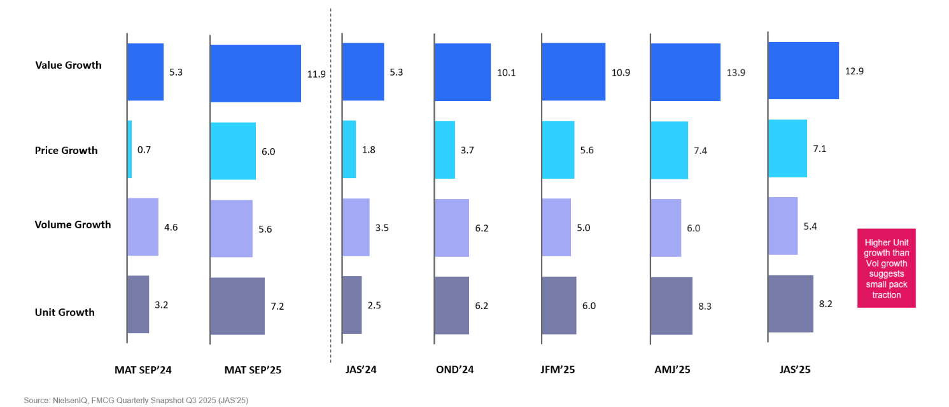

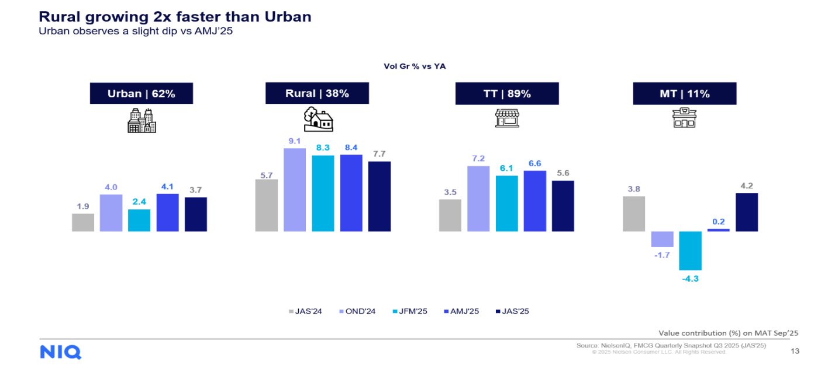

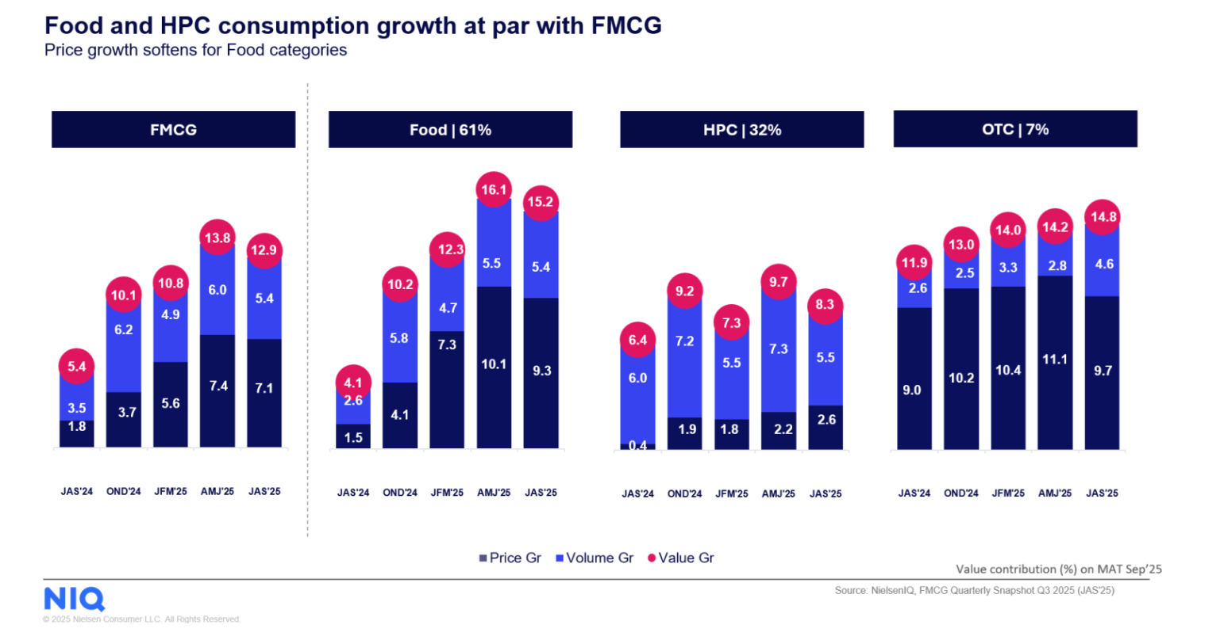

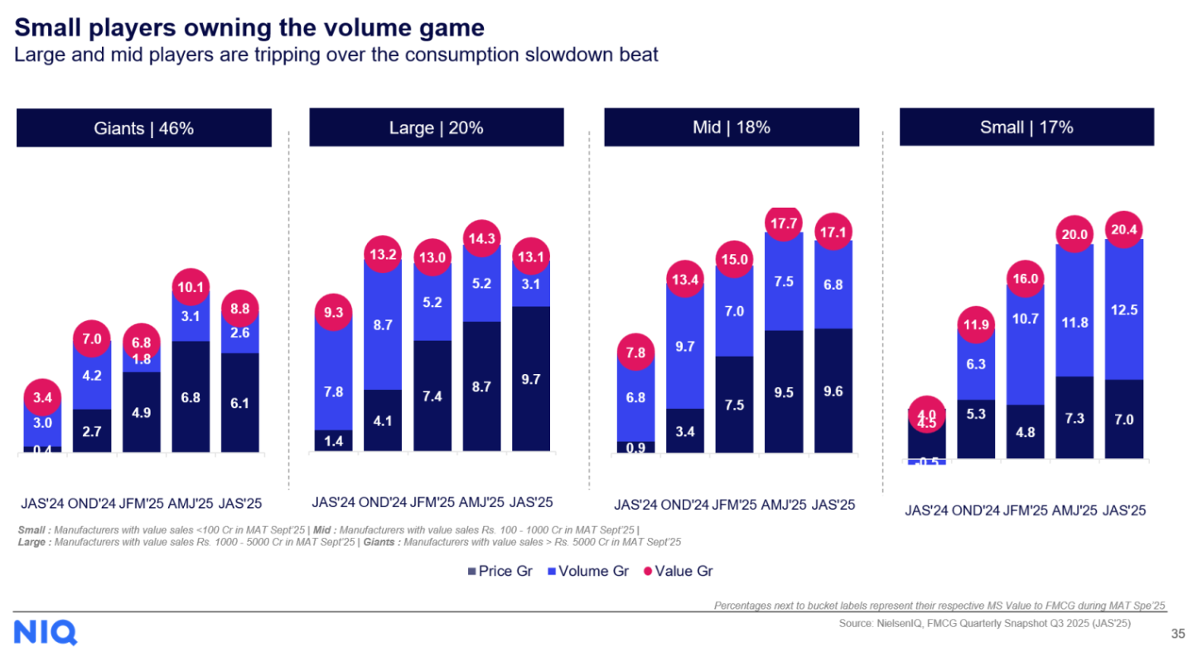

India GDP Quarterly Growth - Actual Vs Projected

 | Quarters | Actual | Projected
 | Q1 FY 2025 | 6.7% | 6.9%
 | Q2 FY 2025 | 5.4% | 6.5%
 | Q3 FY 2025 | 6.2% | 6.3%
 | Q4 FY 2025 | 7.4% | 6.7%
 | Q1 FY 2026 | 7.8% | 6.6%
 | Q2 FY 2026 | 8.2% | 7.3%
 | Q3 FY 2026 | 7.8% | 7.2%

Growth in In Online Users to drive Online FMCG Market

 |  | 2020 | 2030
 | Online Users | 620000000 | 900000000
 | E-Commerce Market | 30000000 | 300000000

FMCG Segment - Actual Vs Projected Market Size

 |  | Market Size (2025) | Projected Size
 | BPC | $31.0B | $49.0B
 | Home Care | $11.9B | $39.8B
 | F&R | $129.0B | $238.8B

 |  | Per-Capita Beauty Spend Multiplier
 | Country | Multiplier
 | United States | 36x
 | Thailand | 19x
 | China | 15x
 | Indonesia | 4x
 | India | 1x

Per- Capital Beaty Spend Multiplier

Growth Drivers
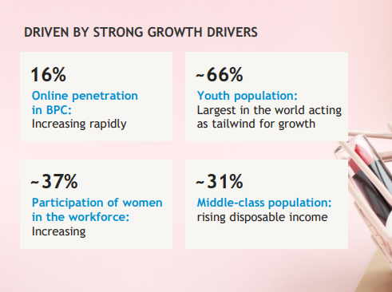
Younger Population
Disposable Income
Rural Consumption
Urbanization
Geopolitics
Commodity Inflation
Premiumisation
Digitisation
Population Age

Younger Population

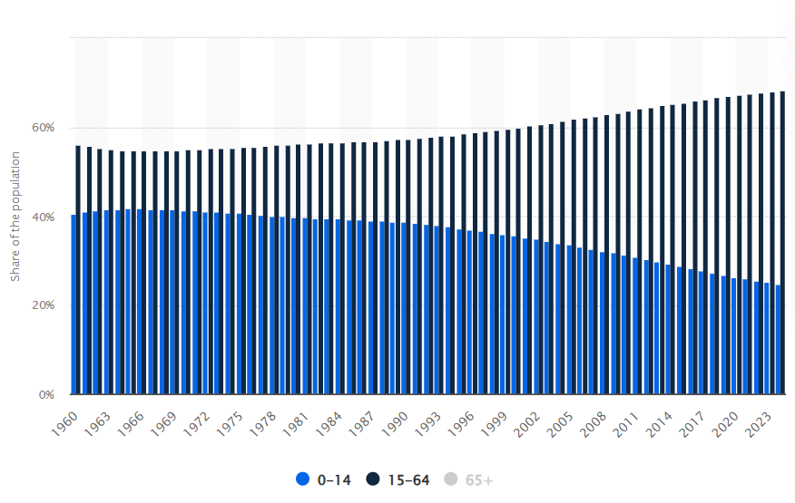

 | https://www.livemint.com/companies/young-consumers-ecofriendly-homecare-personal-care-fmcg-startups-detergents-11730778011455.html

